Table 1
Z. Anat. Entwickl.-Gesch. 144, 267-302 (1974) © by Springer-Verlag 1974
A Cytoarchitectonic Volumetric Comparison of Brains in Wild and Domestic Sheep*
Peter Ebinger Institut fiir Zoologie der Tierarztlichen Hochschule Hannover Received May 25, 1974
Summary. 1. By means of allometric methods it is possible to determine the intraspecific relation between brain weight and body weight in wild European sheep (Ovis ammon mitsimon) and two breeds of domesticated sheep (Ovis amnion f. aries). A reduction in total brain weight of 24% is observed which is due to domestication. 2. The following reductions of the five brain subdivisions are determined for domesticated sheep: telencephalon 26%, diencephalon 21%, mesencephalon 22%, cerebellum 16% and medulla oblongata 13%. 3. In the telencephalon the greatest reduction is found in the allocortex (29 %), followed by the neocortex (26%) and corpus striatum (21%). 4. The allocortex is subdivided cytoarchitectionically and functionally into olfactory and limbic structures. There is less reduction in olfactory (22 %) than in limbic (35%) com­ ponents. Within the limbic structures the hippocampus with 41% shows the highest rate of reduction. 5. There are racial differences in brain volume by 8% between North German Moorland Sheep (Heidschnucke) and Blackhead Sheep (Schwarzkopffleischschaf). The sizes and volumes of corresponding brain parts of these two breeds did not differ significantly. Key words: Sheep - Brain - Cytoarchitectonics - Domestication.
A. Introduction The present paper is intended to provide a contribution to domestication biology. Its aim is to show size changes of the whole brain and its parts in wild sheep (Ovis ammon musimon Schreber, 1782) compared with domestic sheep (Ovis ammon f. aries Linnaeus, 1758; cf. Bohlken, 1961) by means of volume measurements. The recent wild sheep have a holarctic distribution. There are different views whether the present 39 subspecies belong to one or two species (Zalkin, 1951; Kesper, 1953; Herre, 1958; Haltenorth, 1963; Uloth, 1966; Teichert, 1968; Thenius, 1969). As an ancestor of domestic sheep only the Eurasian species Ovis ammon L. 1758 comes into consideration (Herre, 1958, 1964, 1966a; Herre and Rohrs, 1955, 1971, 1973; Teichert, 1968). Animals of this species have probably been domesticated at different times in South Europe, in the Near and the Middle East (Herre, 1966a; Herre and Rohrs, 1971, 1973). As documented by osteological studies this event which was of considerable importance to man has probably occurred in the Near East about 11000 years ago (Reed, 1962, 1969). This is why * I want to thank Professor Dr. M. Rohrs and Dr. D. Kruska for their support and advice during the course of the study.
the sheep may well be considered one of the earliest domestic animals (Herre, 1964, 1966a; Herre and Rohrs, 1971, 1973). Under the conditions of domestication changes of phenotype, structure and function of organs and behavioural changes have occurred. In a direct comparison of domestic animals with individuals of their wild ancestral species changes are clearly visible. Present knowledge on these phenomena has been recently reviewed by Herre and Rohrs (1971, 1973 etc.). A comparative investigation of the brain where the influence of domestication can be observed very clearly is of particular interest. There are several early reports on the reduction of brain size found in domestic animals (Darwin, 1868; Klatt, 1912). Changes in macromorphology of the brain-especially a reduction of the telencephalon, and a reduced fissuration of the hemispheres, i.e. shorter and less deep fissures-could be observed in domestic animals (Klatt, 1921; Rawiel, 1939, Stephan, 1951; Herre, 1955; Schumacher, 1963; Kruska, 1970). By the application of allometric methods (Frick, 1957, 1961, 1969; Rempe, 1962, Rohrs, 1959, 1961) which analyze the influence of body weight on organ weight, it was found that all domestic animals have to a varying degree undergone reductions of brain weight due to domestication (Herre and Rohrs, 1971, 1973). Evaluations of cranial capacities and brain weights by Klatt (1912) and Stephan (1951) have shown brain reductions of various breeds of domestic sheep compared with mufflons. As these authors used different parameters their results can only be compared indirectly. The intraspecific-allometric relation between the size of the total brain of its subdivisions and the body weight has proved most suitable for a comparison of brain sizes of wild and domestic animals (Herre and Rohr

B. Material and Methods The brains of wild sheep studied here came from populations situated near Lainz/Wien, Springe and Obern kirchen/Hannover 1 • Small flight distances, characteristic bleating, flat, narrow hemispheres with pronounced fissures and brain weights which approximately correspond to those of the North German Moorland Sheep, observed in the "mufflons" from the Obernkirchen region could be interpreted as a proof for crossbreeding with domestic sheep breeds. For this reason only the brains of the sheep from Lainz and Springe were utilized for the calculations. 1 I should like to express my thanks to the forest administration Lainz/Wien and to Ober­ forstmeister Dr. Meyer-Brenken (Obernkirchen) for the shooting of mufflons, and to the LFZ Hannover and Herrn Meyer (Behringen) for procuring sheep brains, and to Dr. H. Stephan (Frankfurt) who kindly let me have weight data of sheep.
Brains of North German Moorland Sheep coming from the "Liineburger Heide" and Blackhead Sheep from the region of Lower Saxony have been chosen for comparison with those of the wild sheep. The age of the animals was determined according to their dentition (Habermehl, 1961). This study is based on the brain and gross body weight of 6 mufflons, 44 North German Moorland Sheep and 34 Blackhead Sheep (Table 1). All brains were dissected from the skulls after not more than two hours postmortem, weighed when still fresh, and fixed and preserved in 4 % Formaline for about three months. After some swelling the brains reached a constant weight corresponding approximately to the fresh weight (cf. Stephan, 1951). At this moment, after the removal of the Pia mater, photo­ graphs of their dorsal, lateral and ventral sides were taken (Table 1). In accordance with their position relative to the allometric line (see below) the brains of four mufflons (M 1, M 2, M 3, M 4), three North German Moorland Sheep (H 1, H 2, H 3) and three Blackhead Sheep (Sk 1, Sk 2, Sk 3) were embedded into paraffin and cut into frontal serial sections of 20 µ thickness. 250 sections were found to be an appropriate number (Stephan, 1960a; Kruska, 1970). Every third of the working sections which had been coloured in Cresylechtviolett, was photographed on the plate of a light box (Recordak-Film, diaphragm 16, ½ sec) and enlarged and printed (Agfa-paper BN 1, 17.8 x 24 cm). Following Stephan (1954a, b, 1960a, 1964), Kruska (1970) and Kruska and Stephan (1973) the five brain subdivisions medulla oblongata, cerebellum, mesencephalon, diencephalon and telencephalon were circumscribed on the photographs of the serial sections. The telencephalon was further subdivided into neocortex, corpus striatum and allocort
SSV(m m2 ) = DA (g) 1000 square number of the linear magnification |  |  |  |  |  |  |  |  |  |  |  |  |  |  |  |  |  |  |  |  |  |  |  |  |  |  |  |  |  |  |  |  |  |  |  |  |  |  |  |  |  |  | (1)
DA= defined areas. Shrinkage caused by the paraffin embedding amounted to approximately 46.5% (44.0-50.6), i.e. the volumes of their serial sections volumes corresponded to only about 53.5% of their original volume. The fresh volume (total brain volume= TBV} could be calculated from fresh brain weight and the specific weight of brain substance (1.036 g/cm3, Stephan, 1960a):
TBV(mm 3 ) = fresh brain weight (g)· 1000 . 1.036 (g /cm 3) |  |  |  |  |  |  |  |  |  |  |  |  |  |  |  |  |  |  |  |  |  |  |  |  |  |  |  |  |  |  |  |  |  |  |  |  |  |  | (2)
By multiplying the correcting factor (k = TBV/SSV) with the volumes of the serial sections the fresh brain volumes could be obtained (Tables 3-4). These values were expressed in percent of the total brain volume (Tables 5-6).
Relative Value (RV)= BSV_ · 100 TBV Brain Subdivision Volume (BSV) = RV. TBV 100 |  |  |  |  |  |  |  |  |  |  |  |  |  |  |  |  |  |  |  |  |  |  |  |  |  |  |  |  |  |  |  |  |  |  |  |  |  |  | (3) (3a)
For a quantitative determination of brain structures it is essential to choose a parameter which enables us to compare data taken from brains of different dimensions directly with each other. Allometric methods are suitable for intraspecific comparisons of brain sizes of wild and domestic animals (Herre, 1955; Frick, 1957, 1969; Rohrs, 1959; Stephan, 1959, 1960a; Rempe, 1962; Herre and Rohrs, 1971, 1973; Kruska and Stephan, 1973). 19 Z. Anat. Entwickl.-Gesch., Ed. 144
Table 1. Brain weight and gross body weight of sheeps Particulars No. BrW(g) BoW (g) Sex Age Author

O.a.musimon: Mufflon 26/66 (Ml) 135.0 28500 ¥ 8-10 Y. 1262/P(M2) 132.4 30000 ¥ 6Y. 1263/P(M3) 132.5 29000 ¥ 7Y. 1264/P(M4) 132.2 27000 ¥ 3Y. 131.0 24000 ¥ 4-5Y. Stephan 139.0 30000 ¥ Brauer u. Schober
O.a.f.aries: Heidschnucke 1221/P 120.5 38000 ¥ 6Y. 1222/P 117.9 40000 ¥ 5Y. 1223/P 120.5 42000 ¥ 6Y. 1224/P 107.0 37000 ¥ lOY. 1225/P 120.0 40000 ¥ 6Y. 1226/P 122.0 39000 ¥ lOY. 1227/P 106.4 29000 ¥ 9Y. 1228/P 109.6 35000 ¥ SY. 1229/P 119.6 35000 ¥ 6Y. 1230/P(Hl) 102.4 31000 ¥ 5Y. 1232/P 116.4 36000 ¥ 9Y. 1233/P 118.0 35000 ¥ 7Y. 1234/P 110.0 41000 ¥ 6Y. 1235/P 105.1 36000 ¥ lOY. 1236/P 111.0 34000 ¥ 9Y. 1237/P 108.2 31000 ¥ 6Y. 1238/P 119.0 42000 ¥ 7Y. 1239/P 112.5 41000 ¥ lOY. 1240/P 105.7 35000 ¥ 4 Y. 1242/P(H2) 109.6 36000 ¥ lOY. 1297/P 97.3 25000 J' lOM. 1298/P(H3) 99.8 24000 J' l0M. 1299/P 87.5 26000 J' 10M. 1300/P 95.5 25000 J' lOM. ,, 1301/P 104.8 26000 J' lOM

Table 1 continued
Particulars |  |  | No. |  |  |  |  |  |  |  |  |  | BrW(g) |  |  |  |  |  |  | BoW (g) |  |  |  |  |  | Sex |  |  |  | Age Author
Fleischschaf |  |  | 901/P |  |  |  |  |  |  |  |  |  | 130.0 |  |  |  |  |  |  | 55000 |  |  |  |  |  | 6' |  |  |  | 1 Y.
 |  |  | 902/P |  |  |  |  |  |  |  |  |  | 122.0 |  |  |  |  |  |  | 62500 |  |  |  |  |  | 6' |  |  |  | 13M.
903/P 931/P |  |  |  |  |  |  |  |  |  |  |  |  | 117.0 116.8 |  |  |  |  |  |  | 52500 58000 |  |  |  |  |  | + + |  |  |  | 3-4 Y. 8-10 Y.
952/P |  |  |  |  |  |  |  |  |  |  |  |  | 117.1 |  |  |  |  |  |  | 55000 |  |  |  |  |  | 6' |  |  |  | 10-12 M.
950/P |  |  |  |  |  |  |  |  |  |  |  |  | 105.1 |  |  |  |  |  |  | 50000 |  |  |  |  |  | 6' |  |  |  | 9M.
951/P |  |  |  |  |  |  |  |  |  |  |  |  | 100.0 |  |  |  |  |  |  | 50000 |  |  |  |  |  | 6' |  |  |  | 1 Y.
953/P |  |  |  |  |  |  |  |  |  |  |  |  | 122.0 |  |  |  |  |  |  | 55000 |  |  |  |  |  | 6' |  |  |  | 1 Y.
 |  |  | 1001/P(Skl) 1002/P |  |  |  |  |  |  |  |  |  | 125.0 123.0 |  |  |  |  |  |  | 65000 52000 |  |  |  |  |  | ¥ + |  |  |  | 3-4 Y. 7Y.
1003/P |  |  |  |  |  |  |  |  |  |  |  |  |  |  |  |  | 129.0 |  |  |  |  |  | 60000 |  |  |  |  | + lOY.
1046/P |  |  |  |  |  |  |  |  |  |  |  |  |  |  |  |  | 101.3 |  |  |  |  |  | 42000 |  |  |  |  | ¥ lOM.
1047/P |  |  |  |  |  |  |  |  |  |  |  |  |  |  |  |  | 102.3 |  |  |  |  |  | 40000 |  |  |  |  | 6' 9M.
1048/P |  |  |  |  |  |  |  |  |  |  |  |  |  |  |  |  | 103.4 |  |  |  |  |  | 45000 |  |  |  |  | 6' 9M.
1049/P(Sk3) |  |  |  |  |  |  |  |  |  |  |  |  |  |  |  |  | U3.9 |  |  |  |  |  | 43000 |  |  |  |  | 6' 1 Y.
Fleisc"hschaf + 3-4 Y. + 3-4 Y. 1092/P 113.2 59000 + 2-3Y. 1093/P 138.0 68000 + 4 Y. ll05/P 106.4 52000 6' lOM. ll06/P(Sk2) 120.0 55000 6' 1 Y. 1107/P 120.5 50000 6' 1 Y. 1108/P 120.0 52000 6' 11 M. 1146/P 121.5 49000 + 7Y. 1147/P 126.5 53000 + 2Y. 1148/P 117.6 59000 ¥ 6Y. ll49/P 110.8 60000 ¥ lOY. 1150/P ll7.4 46000 + 7Y. 135.0 64000 K l-2Y. Stephan 132.0 83000 6' l-2Y. 122.0 74500 l-2Y. 115.0 61000 K l-2Y. 115.0 61000 1-2 Y. 114.0 65500 1-2 Y.
1090/P |  |  |  |  |  |  |  |  |  |  |  |  |  |  |  |  | 115.3 |  |  |  |  |  | 60000
1091/P |  |  |  |  |  |  |  |  |  |  |  |  |  |  |  |  | 115.5 |  |  |  |  |  | 57000

As an expression of a consistant relationship between organ weights and body weights Snell (1891) and Dubois (1897), using the brain as an example, defined the size of the organ as a function of body weight (allometry equation): y=b·xa. (4) ( y = body weight, x = organ weight, a= allometric exponent, b = organ coefficient.) Expressed in logarithms this equation describes a straight line: log BrW=log b+a·log BoW (4a) log b=log BrW-a·log BoW (4b) (BrW = brain weight, BoW =bodyweight.) In the double logarithmic scale the allometric constant a indicates the- tan ex of the angle of inclination of the line; it characterizes the dependence of brain weight from body weight. The logarithm of the organ coefficient b determines the point of intersection of the line with the ordinate in log x = 0 and informs thus on the influence of factors which determine the brain weight, independently from the body weight. Hence it follows according to 4b: log b =log BrW (log x=0). (4c)
19*
Brain and gross body weights of wild and domestic sheep, as well as those of North German Moorland Sheep and Blackhead sheep were plotted in a double logarithmic scale (Table 2 and 9). By regression calculation it was possible to determine separate gradients and organ coefficients of the regression line (RL), of the reduced main axis of the ellipse (RMA), and of the main axis of the ellipse (MAE) (Table 2). The following calculations were carried out by using the coefficient of the MAE in order to create a good basis for comparison to Kruska's investigations. The F-Test (Rempe, 1962, Table 2) was used in order to check the significance of position and inclination of the MAE. Inclination values of a= 0.20 to a= 0.30 are characteristic for intraspecific relations of brain weight to body weight (Rohrs, 1955; Bahrens, 1958; Schumacher, 1963; Kruska, 1970; Weidmann, 1970; Ebinger, 1972). A comparison of brain and body weight in wild and domestic sheep resulted in an intra­ specific exponent of 0.20 for domestic sheep. Due to the small number of wild speciments available this exponent could not be proved unequivocally (see quantitative results). This is why the following calculations of brain weight changes will refer to gradient values of a= 0.20, a= 0.25 and a= 0.30. In addition to this the confrontation of these exponents is intended to show how much the changes of brain weight depend on the allometric exponents (Table 8). Under these conditions the following allometric equations can be established for wild and domestic sheep:
log BrWwild = log b+0.20· log BoWwild log BrWdom_=log b+0.20·log BoWdom. log BrWwild =log b+0.25-log BoWwild log BrWdom. =log b+0.25·log BoWdom. log BrWwild =log b+0.30·log BoWwild log BrWdom. =log b+0.30·log BoWdom. |  |  |  |  |  |  |  |  |  |  |  |  |  |  |  |  |  |  |  |  |  |  |  |  |  |  |  |  |  |  |  |  |  |  |  |  |  |  | (5) (6) (7)
(log BrW; log BoW = arithmetic mean of the logarithms of brain of body weights respectively.) A comparison of organ coefficients informs on the extent of brain weight changes in wild and domestic sheep. A higher b-value of the wild compared to the domestic line indicates the reduction of brain weight during domestication. The following calculations can be carried out (modified, according to Kruska and Stephan, 1973):
Total Brain Reduction (TBR) = bdom. • 100-100. bwild |  |  |  |  |  |  |  |  |  |  |  |  |  |  |  |  |  |  |  |  |  |  |  |  |  |  |  |  |  |  |  |  |  |  |  |  |  |  |  | (8)
According to (4c) or in the case of the same body weight of wild and domestic animals follows:
TBR = |  |  |  |  |  |  |  |  |  |  |  | BrWdom. BrWwild |  |  |  |  |  | 100-100 |  |  |  |  | B( oW dom. = BoWwild). |  |  |  |  |  |  |  |  |  |  |  |  |  |  |  |  | (9)
Values of brain weight were converted into values of brain volume according to (2): TBR= TBVdom. ·100-100. TBVwild |  |  |  |  |  |  |  |  |  |  |  |  |  |  |  |  |  |  |  |  |  |  |  |  |  |  |  |  |  |  |  |  |  |  |  |  |  |  |  |  |  |  | (9a)
According to this the reduction of brain subdivisions (BSR) can be calculated as follows: BSR= BSVdom. ·100-100. (9b) BSVwild By inserting (3a) into (9b) one obtains:
BSR= RVdom.. TBVdom.. ·100-100. RVwild. TBVwild |  |  |  |  |  |  |  |  |  |  |  |  |  |  |  |  |  |  |  |  |  |  |  |  |  |  |  |  |  |  |  |  |  |  |  |  |  | (10)
According to (9a) we can say that BRVdom. ·100=TBR+100. BRVwild Hence the reduction in percent of a brain subdivision is calculated according to: BSR= RVdom. ·(TBR+100)-100. RVwild |  |  |  |  |  |  |  |  |  |  |  |  |  |  |  |  |  |  |  |  |  |  |  |  |  |  |  |  |  |  |  |  |  |  |  |  |  |  |  |  |  | (10a)
In order to evaluate the degree of reduction of the brain subdivisions compared with the total volume reduction, Herre and Rohrs (1973) determined the total reduction as 100%. For the following course of calculation this means:
Percentage of BS in TBR = BSVwild· BSR ·100. -------"'--- TBVwild· TBR |  |  |  |  |  |  |  |  |  |  |  |  |  |  |  |  |  |  |  |  |  |  |  |  |  |  |  |  |  |  |  |  |  |  |  |  |  |  | (11)
Inserting (3) into (11) leads to:
Percentage of BS in TBR = RVwild· BSR TBR |  |  |  |  |  |  |  |  |  |  |  |  |  |  |  |  |  |  |  |  |  |  |  |  |  |  |  |  |  |  |  |  |  |  |  |  | (11a)
The allometric calculations are based on the logarithms of the single values. According to Rempe (1962) logarithms of body and organ measurements give a more even distribution than the values themselves. This is why even in a univariate comparison of brain volumes geometrical means should be used. The geometrical variability coefficient (GVC) could be used as a dispersion rate (cf. Helmuth and Rempe, 1968; Kruska and Stephan, 1973; Weber, 1967). The reduction values determined for the total brain weight of sheep correspond to the reduction rates of the total brain volume. For the determination of the relative values, however, the "pure" brain volume was taken as a reference. This means: As during preparation brain nerves and spinal cord are not always separated in the same length, these varying amounts of tissue were measured separately as "brain residues". These values and the data for the ventricles showing irregular deformations were excluded from the total calculations. Thus the "pure brain volume" as defined here means total brain volume minus the volumes of remaining parts and ventricles. The reduction rate in the pure brain volume is therefore about 1 % higher than that in the total brain volumes. A certain factor of instability which can hardly be avoided in quantitative and cyto­ architectonic studies of this kind is the clear delimitation of brain areas. The extent to which phylogenetically old parts are penetrated by new ones (Starck, 1965) varies. But as this is almost the same for all percentages it does not effect the relation. The delimitations for the main regions are demonstrated in Figure 3.
Abbreviations Used in Figs, 1, 3 and 5. Bae= bulbus accessorius; BN = basal nuclei; Bal= bulbus olfactorius; C = cerebellum; Cho= chiasma opticum; D = diencephalon; DB =diagonal band; Epi=epiphysis; Fcor=fissura coronalis; Fd=f. diagonalis; Fectlat=f. ectolateralis; Fectsy = f. ectosylvia; Fendlat = £. endolateralis; Flat= f. Iateralis; Frh = f. rhinalis; Fssy=f. suprasylvia; Fsy=f. sylvia; Hi=hippocampus; Hy=hypophysis; Lp = Iobus piriformis; M = mesencephalon; N =neocortex; Na= nucleus amygdalae; 0 = me­ dulla oblongata; P =pons; Pam= regio periamygdalaris; Ppc = pes pedunculi cerebri; Prpi = regio praepiriformis; Rb= regio retrobulbaris; S = septa! nuclei; Sc= spinal cord; Sch=schizocortex; St=corpus striatum; Tol=tuberculum olfactorium; Trol=tractus ol­ factorius; Tropt = tractus opticus; V = ventricle.
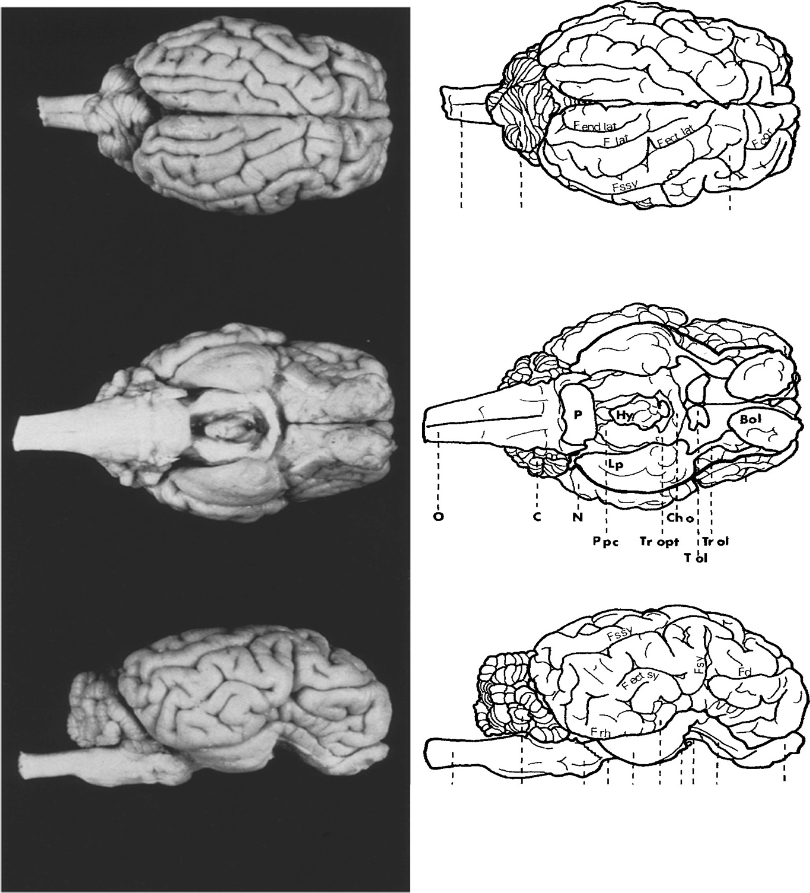

I I I 0 C N
I Frh
I I I I N 1fol I I I I I
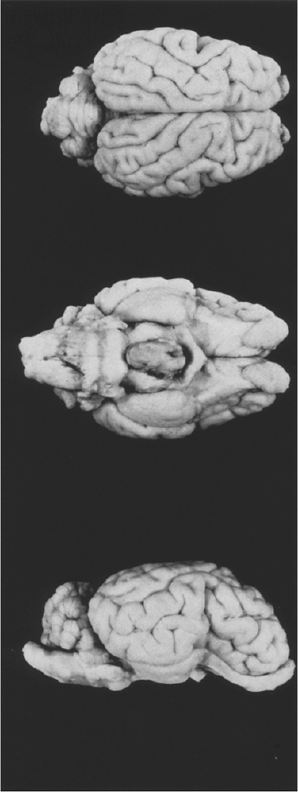
Ovis ammon musimon |  |  |  |  |  |  |  |  |  |  |  |  |  |  |  |  |  |  |  |  |  | 0 C 3cm M3 |  |  |  |  |  |  |  |  | p I I I Ppc |  |  |  |  | Lp Tr cl Chb |  |  |  |  |  |  |  | I Bel
Fig. 1. Dorsal, ventral and lateral views of one sheep brain each with similar body weight--left

I I
0
C
I I I
Bl.I
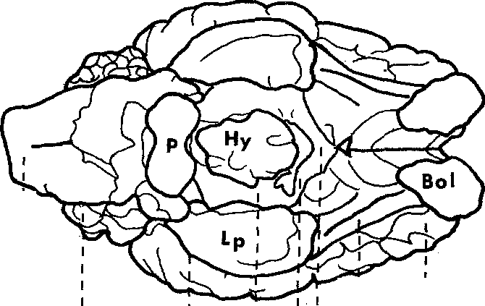
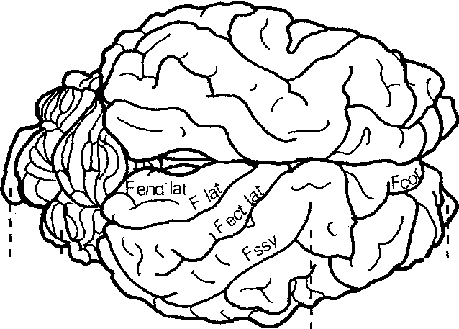
N

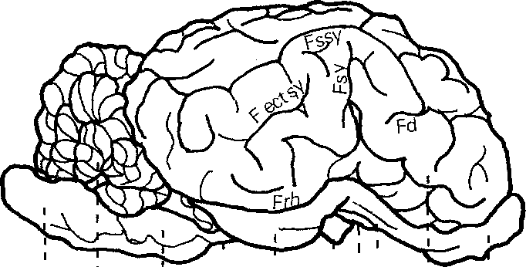
I I
I I'
6 I I |  |  |  |  |  |  |  |  |  |  |  |  |  |  |  |  |  |  |  |  |  |  |  |  |  |  |  |  |  |  |  |  | I I Ppc CHo : N
C Frh |  |  |  |  |  |  |  |  |  |  |  |  |  |  |  |  |  |  |  |  |  |  |  |  |  |  |  |  |  |  |  |  |  | • I , ropt

_{T} lrol
1
'
0 C 3 cm Ovis ammon f. arie s H 4 |  |  |  |  |  |  |  |  |  |  |  |  |  |  |  |  |  |  |  |  |  |  |  |  |  |  |  |  | I 1 I 1Tol ' I I p' Lp : Tr ol N Ppc Ch1 o |  |  |  |  |  |  |  |  |  |  |  |  |  | ' Bol

Ovis ammon musimon (27 kg) right Ovis ammon f. aries (29 kg). For abbreviations see p. 273.
C. Quantitative Results I. Total Brain The brain of mammals, serving as a centre of integration, association and coordination, has a certain "basic" size which enables the innervation of the different organ systems. This "basic" size depends on several factors (Starck, 1965; Stephan and Bauchot, 1965):
1. Body Size A change of body size is correlated with a change of brain size, i.e. there is a correlation depending on sizes between the mass of the body which has to be innervated and the brain tissue.
2. Evolution Development and differentiation of higher centres (e.g. neocortex and neo­ cerebellum) are linked with the penetration of" new" components in phylogenetic­ ally old brain regions. This so-called Neencephalization (Starck, 1965) may be considered as an evolutionary index.
3. Specialization A specifically functional adaptation of animals to certain environments and living conditions implies a special development of corresponding parts in the brain or vice versa. In some aquatic mammals (dolphin, whale), for example, the olfactory centres have been widely reduced. Specializations have to be judged particularly as to their development of sensory systems and the corresponding centres in the brain (Starck, 1965). The influence of body size may be determined by using the allometry formula. In interspecific comparisons between mammals of closely related species an a-value of about 0.56 (0.5-0.6) has been found so far. Intraspecific comparisons, on the contrary, i.e. comparisons within one species, showed gradient values of the allometric line of about a =0.25 (0.2-0.3). If the interspecific comparison is intended to provide informations on the specialization and development of higher centres, the influence of body size has to be inserted as a= 0.56 (0.5-0.6). If, however, in an intraspecific comparison the effects of different factors on the brain and its parts are to be tested, the influence of body size has to be inserted as a= 0.25 (0.2-0.3). In a comparison of brain sizes of wild and domestic sheep one has to depart from intraspecific allometric relations, from which there may be drawn conclusions on the influence of domestication on brain size. For the relation brain weight to gross body weight there have been determined separate allometric lines for wild and domestic sheep (Table 2). The few data on wild animals (n = 6) and the small dispersion of body weights cause an inclination of the mufflon line (main axis of ellipse) of only 0.13 (P>0.05). For domestic sheep (n = 78) the calculation of the gradient yielded the exponent a= 0.20 (P<0.0

200 180 160 140 120 100 | brain weight (g) |  |  |  |  |  |  |  |  |  |  |  |  |  | a =0.25
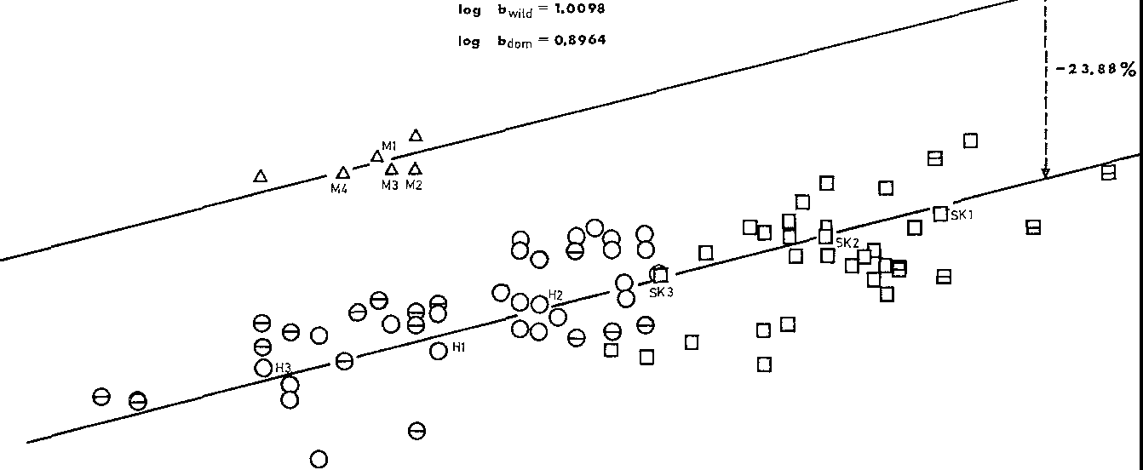
80-,_ r--------,-------,------,----,----,----- 20000 30000 40000 50000 60000 70000 gross body weight ( g)
Fig. 2. Relations between brain weight and gross body weight of wild and domestic sheep in a double logarithmic scale. 6 mufflons; o North German Moorland Sheep (own data); D Black­ head Sheep; e, El data given by Stephan; M, H, Sk brains studied cytoarchitectionically
Table 2. Statistical values for the relations log brain weight (y) and log gross body weight (x) of wild and domestic sheep
 |  | Mufflon |  |  |  |  | Domestic sheep |  |  |  |  |  |  |  |  |  |  |  |  | Moorland sheep |  |  |  |  |  |  | Blackhead sheep
N |  | 6 |  |  |  |  | 78 |  |  |  |  |  |  |  |  |  |  |  |  | 44 |  |  |  |  |  |  | 34
x |  | 4.4472 |  |  |  |  | 4.6050 |  |  |  |  |  |  |  |  |  |  |  |  | 4.4966 |  |  |  |  |  |  | 4.7453
jj |  | 2.1260 |  |  |  |  | 2.0470 |  |  |  |  |  |  |  |  |  |  |  |  | 2.0294 |  |  |  |  |  |  | 2.0697
aRL |  | 0.1493 |  |  |  |  | 0.1990 |  |  |  |  |  |  |  |  |  |  |  |  | 0.2591 |  |  |  |  |  |  | 0.3106
aRMA |  | 0.2530 |  |  |  |  | 0.2653 |  |  |  |  |  |  |  |  |  |  |  |  | 0.3520 |  |  |  |  |  |  | 0.5061
aMAE |  | 0.1259 |  |  |  |  | 0.2050 |  |  |  |  |  |  |  |  |  |  |  |  | 0.2736 |  |  |  |  |  |  | 0.3626
r |  | 0.7192 |  |  |  |  | 0.7500 |  |  |  |  |  |  |  |  |  |  |  |  | 0.7360 |  |  |  |  |  |  | 0.6138
TF PO.O5 3.97 |  |  |  |  |  |  | 47.0086 |  |  |  |  |  |  |  |  |  |  |  |  |  |  |  |  |  |  |  | 5.3273
i" |  |  |  |  |  |  | 0.2048 |  |  |  |  |  |  |  |  |  |  |  |  |  |  |  |  |  |  |  | 0.2955
ir PO.O1 0.08 |  |  |  |  |  |  | 0.7494 |  |  |  |  |  |  |  |  |  |  |  |  |  |  |  |  |  |  |  | 0.6848
if |  |  |  |  |  |  | 4.8818 |  |  |  |  |  |  |  |  |  |  |  |  |  |  |  |  |  |  |  | 3.3843
iF PO.O1 7.00 |  |  |  |  |  |  | 0.0106 |  |  |  |  |  |  |  |  |  |  |  |  |  |  |  |  |  |  |  | 4.3920
common allometric exponent for both random tests. Investigations on the relation brain weight to body weight have up to now resulted in parallel allometry lines for wild and domestic animals (Rohrs, 1955; Schumacher, 1963; Kruska, 1970; Weidemann, 1970; Ebinger, 1972). "The intraspecific dependence of brain weight on body weight existing in wild species has subsisted in domestic animals" (Herre and Rohrs, 1971, p. 104). Significant relations between brain and body weight of
a given domestic species may hence be transferred to their wild species. Under these conditions the common inclination value of a =0.20 may be considered as sufficiently proved. The association of the pairs of values with the calculated line in Fig. 2 illustrates again the linear interdependence of brain weight and gross body weight in the double logarithmic scale. According to the F-Test (Rempe, 1962) the positions of the allometric lines of the domestic and wild sheep differ significantly (P<0.01). The difference of the b-values determines their difference of position and characterizes thus the reduc­ tion of brain weight in the domestic state. With allometric exponents of 0.20, 0.25 and 0.30 the following equations may be established for wild and domestic sheep lines (cf. Material and Methods, p. 272): (Wild) 2.1260 = 1.2366+0.20 ·4.4472 see (5) (Dom.) 2.0470 = 1.1260+0.20 ·4.6050 (Wild) 2.1260 = 1.0142+0.25-4.4472 see (6) (Dom.) 2.0470 =0.8957+0.25 ·4.6050 (Wild) 2.1260 =0.7918+0.30·4.4472 see (7) (Dom.) 2.0470 = 0.6655+0.30 ·4.6050 This results in reduction values of 22.48 % (a= 0.20), 23.88 % (a= 0.25) and 25.24 % (a= 0.30) for the brain weight of domestic sheep compared to that of wild sheep. On an average the brain of domestic sheep is by 24% smaller than in equally sized wild sheep. Already in 1912 Klatt was able to prove by means of skull capacity measure­ ments a reduction of brain sizes of domestic sheep compared to those of wild sheep. When-using Klatt's data-the third roots of the skull volumes are correlated to the Condylo basal distances plotted in a double logarithmic scale, a regression calculation for domestic sheep shows a reduction of the skull capacity of 22.12% (a= 0.30). Hence the reduction value is by 3.12 % lower than that which has been calculated using brain weight data. In sp

In general it may well be assumed that brain sizes are reduced in the course of domestication. One question however, should be answered: if these brain reductions in domestication apply to all brain subdivisions in the same way or if there are regional differences. This question will be discussed below, as regards sheep.
II. Volume Comparison of Brain Subdivisions According to previous investigations size changes of single brain subdivisions do not correspond to the total brain reductions of domestic animals. The size of five brain parts is reduced during domestication, this reduction is not uniform but varies in dimension (Schumacher, 1963; Herre and Thiede, 1965; Kruska, 1970, 1972; Schleifenbaum, 1973; Kruska and Stephan, 1973). Brain weights, total brain volumes and absolute volumes of the measured brain subdivisions of wild and domestic sheep are given in the Tables 3 and 4. The percentages comparing brain structure to pure brain volume are listed in Table 5 and 6. Geometrical means, geometrical variability coefficients and relative values of body weights, brain weights, brain volumes and volume of brain sub­ divisions of wild and domestic sheep are indicated in Table 7. The reductions of brain subdivisions (in percent) are to be seen in Table 8 and Fig. 4. Position and extent of brain subdivisions are shown in Fig. 5. The following reductions which are discussed in the text, too, refer to the allometric exponent a= 0.25 which can be considered as a central value for an intraspecific comparison. The calculation of the reduction of the five brain subdivisions of domestic sheep gave the following results: Telencephalon 26.30%, diencephalon 21.18%, mesencephalon 21.51 %, cere­ bellum 15.78%, medulla oblongata 13.39%. The telencephalon underwent the greatest reduction of all brain subdivisions and surpasses the total reduction of 23.9% by 2.4%. Diencephalon and mesen­ cephalon show about the same second-big value. The cerebellum, followed by the medulla, shows the smallest volume change. When the systematical subdivision of the brain into five parts is replaced by the "genetic" su

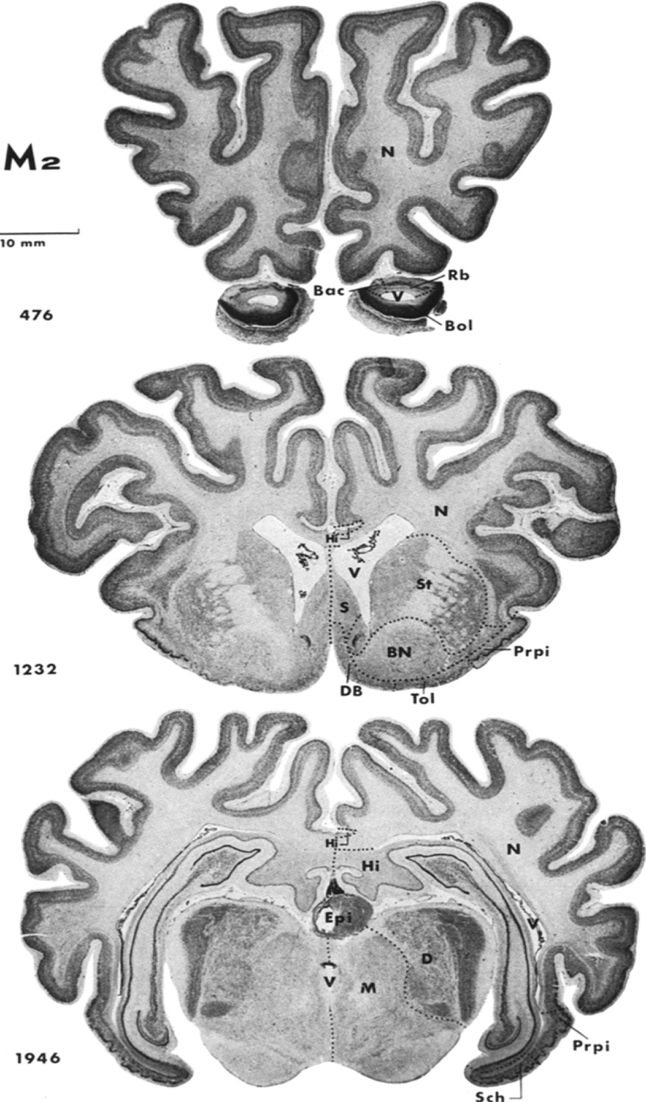

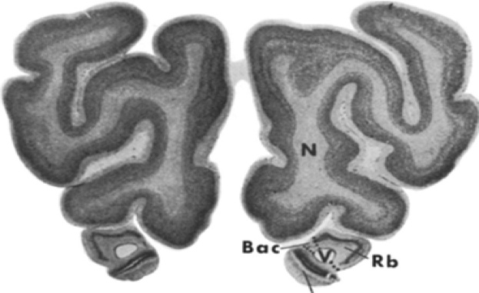

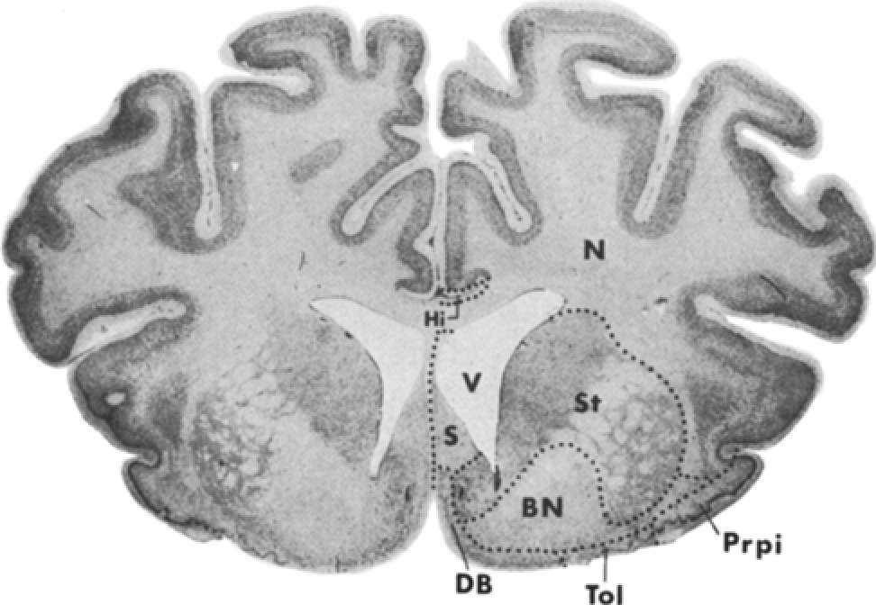
Sk2 10 mm 544 |  |  |  |  |  |  |  | Bol

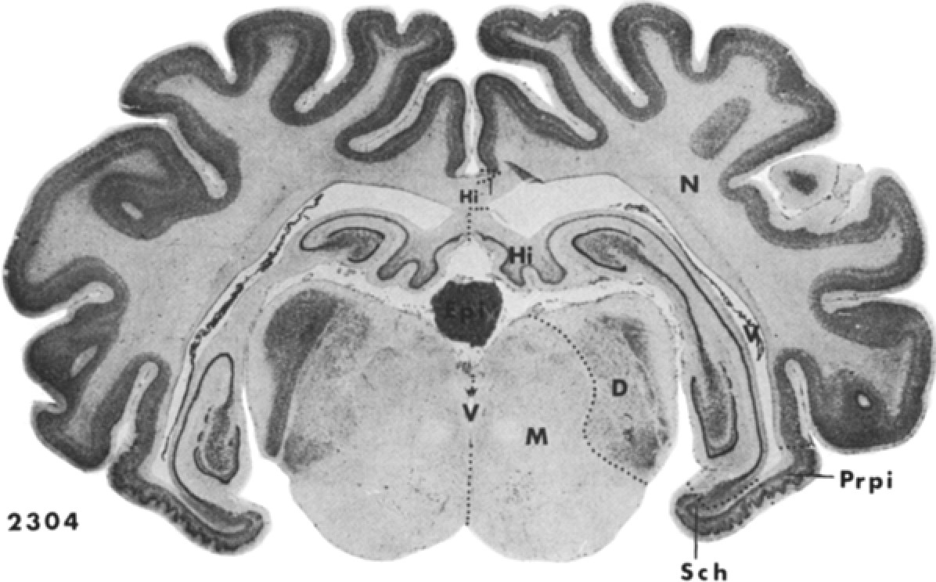
1536

-
-
-
Fig. 3. Cytoarchitectonic delimitation of brain subdivisions on the photographed serial sections of a wild sheep brain (M 2) in comparison with a domestic sheep brain (Sk 2). For abbreviations seep. 273
-4o_ % - - - - -35_- - - - - -3o_- - - - -

-25_ - - - - -2o_- - - - |  |  |  |  |  |  |  |  |  | - ...... |  |  |  |  |  | -'-- ._ |  |  |  |  | '-- |  | - ._ - - 1--

•
0
0
E
- -1 5_ - - - - |  |  |  |  |  | - ....... - f

C
-
>
2
-
•
!
e
-1 o_ - - - - 5_ - |  |  |  |  |  | a ;; E "C' 0 :;; C 0 |  |  |  |  |  | C .2 0 E .<: |  | E C C .2 a 0 |  |  |  |  |  |  | ...... t• |  |  |  | aC .".i,i ."..' 0 "e E u0 z• + t |  |  |  |  |  |  | .., a .a |  |  |  | •'1. •
C 2 '1. .<: .<: • |  |  |  |  |  |  |  |  |  |  |  |  |  |  |  |  |  |  |  | • 0 au +- • E
- ·e |  |  |  |  |  |  |  | "ii ,g |  |  |  | e '1. |  |  |  | '1. !. |  |  |  | t 1 ., |  |  |  |  | • C ii 0

e
• e
-
]
- .a .a |  |  |  |  |  |  |  |  |  | ..•, .a |  |  | C u C '1. |  |  |  |  |  |  |  | <t + ..a - E |  |  |  |  |  |  | C C e '1. -0 u 0

'1.
::IE
u
::IE
C
Q
..!!
0
z
u
,g
<t
.:
0
.,
E
E
::;
.0. • |  |  |  |  |  |  |  |  |  | .!! .. 0 |  |  |  |  |  |  |  |  |  |  | 0 .; .; |  |  |  |  |  | ,,;_ a E "'

.,
'1.
'1.
., ^{:ii} .',^{1.}
'1. "a'
0
'1.
:i:
0
Fig. 4. Diagram of determined reduction values of single brain parts and structures from wild to domestic sheep
relation with the common intraspecific allomet1ic exponent of 0.25. Due to this fact there arise some minor differences compared to the original data. In the five compared domestic species-albino rat, domestic sheep, domestic pig, ferret and poodle-the telencephalon shows in all cases the greatest reductions. This highly developed part of the mammal central nervous system surpasses thus the value of total reductions.
Table 3. Brain weights (g), total brain volumes (mm3) and absolute volume values (mm 3) of the measured brain subdivisions of wild sheep
Ml |  |  |  |  |  |  |  |  |  |  |  |  |  |  |  |  |  |  |  |  |  |  | M2 |  |  |  |  | M3 |  |  |  |  |  |  | M4
Brain weight |  |  |  |  |  |  |  |  |  |  | 135.0 |  |  |  |  |  |  |  |  |  |  |  | 132.4 |  |  |  |  | 132.5 |  |  |  |  |  |  | 132.2
Total brain volume |  |  |  |  |  |  |  |  |  |  | 130308 |  |  |  |  |  |  |  |  |  |  |  | 127799 |  |  |  |  | 127896 |  |  |  |  |  |  | 127606
Remaining parts |  |  |  |  |  |  |  |  |  |  | 1827 |  |  |  |  |  |  |  |  |  |  |  | 2417 |  |  |  |  | 2736 |  |  |  |  |  |  | 2488
Ventricle |  |  |  |  |  |  |  |  |  |  | 2240 |  |  |  |  |  |  |  |  |  |  |  | 3097 |  |  |  |  | 3409 |  |  |  |  |  |  | 2625
Pure brain volume |  |  |  |  |  |  |  |  |  |  | 126242 |  |  |  |  |  |  |  |  |  |  |  | 122286 |  |  |  |  | 121751 |  |  |  |  |  |  | 122493
Medulla oblongata |  |  |  |  |  |  |  |  |  |  | 6501 |  |  |  |  |  |  |  |  |  |  |  | 6689 |  |  |  |  | 5677 |  |  |  |  |  |  | 5588
Cerebellum |  |  |  |  |  |  |  |  |  |  | 13688 |  |  |  |  |  |  |  |  |  |  |  | 13563 |  |  |  |  | 12723 |  |  |  |  |  |  | 13879
Mesencephalon |  |  |  |  |  |  |  |  |  |  | 6442 |  |  |  |  |  |  |  |  |  |  |  | 5865 |  |  |  |  | 5745 |  |  |  |  |  |  | 5579
Diencephalon |  |  |  |  |  |  |  |  |  |  | 8929 |  |  |  |  |  |  |  |  |  |  |  | 8807 |  |  |  |  | 8920 |  |  |  |  |  |  | 8174
Telencephalon |  |  |  |  |  |  |  |  |  |  | 90683 |  |  |  |  |  |  |  |  |  |  |  | 87381 |  |  |  |  | 88686 |  |  |  |  |  |  | 89273
Neocortex |  |  |  |  |  |  |  |  |  |  | 74495 |  |  |  |  |  |  |  |  |  |  |  | 71231 |  |  |  |  | 72655 |  |  |  |  |  |  | 73980
Corpus striatum |  |  |  |  |  |  |  |  |  |  | 4668 |  |  |  |  |  |  |  |  |  |  |  | 4195 |  |  |  |  | 4296 |  |  |  |  |  |  | 4042
Allocortex |  |  |  |  |  |  |  |  |  |  | 11520 |  |  |  |  |  |  |  |  |  |  |  | 11955 |  |  |  |  | 11736 |  |  |  |  |  |  | 11251
Olfactory Allocortex |  |  |  |  |  |  |  |  |  |  | 5044 |  |  |  |  |  |  |  |  |  |  |  | 5185 |  |  |  |  | 4936 |  |  |  |  |  |  | 5186
Bulbus olfactorius |  |  |  |  |  |  |  |  |  |  | 467 |  |  |  |  |  |  |  |  |  |  |  | 567 |  |  |  |  | 564 |  |  |  |  |  |  | 570
+ B. olf.accessorius
Regio retrobulbaris |  |  |  |  |  |  |  |  |  |  | 218 |  |  |  |  |  |  |  |  |  |  |  | 239 |  |  |  |  | 238 |  |  |  |  |  |  | 267
Regio praepiriformis |  |  |  |  |  |  |  |  |  |  | 1754 |  |  |  |  |  |  |  |  |  |  |  | 1775 |  |  |  |  | 1636 |  |  |  |  |  |  | 1642
Regio periamygdalaris |  |  |  |  |  |  |  |  |  |  | 1094 |  |  |  |  |  |  |  |  |  |  |  | 1179 |  |  |  |  | 1174 |  |  |  |  |  |  | 1223
+Nucleus amygdalae Tuberculum olfactorium |  |  |  |  |  |  |  |  |  |  | 251 |  |  |  |  |  |  |  |  |  |  |  | 307 |  |  |  |  | 255 |  |  |  |  |  |  | 246
Basal nuclei |  |  |  |  |  |  |  |  |  |  | 1261 |  |  |  |  |  |  |  |  |  |  |  | 1119 |  |  |  |  | 1096 |  |  |  |  |  |  | 1238
+ Commissura anterior
Limbic structures |  |  |  |  |  |  |  |  |  |  | 6476 |  |  |  |  |  |  |  |  |  |  |  | 6770 |  |  |  |  | 6773 |  |  |  |  |  |  | 6066
Septum |  |  |  |  |  |  |  |  |  |  | 764 |  |  |  |  |  |  |  |  |  |  |  | 772 |  |  |  |  | 638 |  |  |  |  |  |  | 693
Septum nuclei |  |  |  |  |  |  |  |  |  |  | 556 |  |  |  |  |  |  |  |  |  |  |  | 568 |  |  |  |  | 466 |  |  |  |  |  |  | 523
Diagonal band |  |  |  |  |  |  |  |  |  |  | 208 |  |  |  |  |  |  |  |  |  |  |  | 205 |  |  |  |  | 171 |  |  |  |  |  |  | 170
Hippocampus |  |  |  |  |  |  |  |  |  |  | 4576 |  |  |  |  |  |  |  |  |  |  |  | 4613 |  |  |  |  | 4920 |  |  |  |  |  |  | 4217
Schizocortex |  |  |  |  |  |  |  |  |  |  | 1136 |  |  |  |  |  |  |  |  |  |  |  | 1385 |  |  |  |  | 1216 |  |  |  |  |  |  | 1156
The other four brain subdivisions, however, cannot be placed into a general order according to the size of their reduction. We can only state that the diencephalon and the cerebellum in most cases show larger reductions than mes­ encephalon and medulla oblongata. When telencephalon and diencephalon are joined to form the prosencephalon, it is clearly visible that in domestic mammals the forebrain has been reduced considerably. The data given in Table 9 are overall values which do not provide any informa­ tion on size relations within the brain. The volume data in the brains of wild and domestic animals can be arranged in the following order (from the largest to the smallest subdivision): telencephalon-cerebellum-diencephalon-medulla oblongata­ mesencephalon. In this respect it is quite interesting to show to what extent the reduced volumes of the brain subdivisions contribute to the total reduction.
Table 4. Brain weights (g), total brain volumes (mm3) and absolute volume values (mm3) of the measured brain subdivisions of domestic sheep
 |  |  |  |  |  |  | Skl |  |  |  |  |  | Sk2 |  |  |  |  |  |  | Sk3 |  |  |  |  |  | Hl |  |  |  | H2 |  |  |  |  | H3
Brain weight |  |  |  |  |  |  | 125.0 |  |  |  |  |  | 120.0 |  |  |  |  |  |  | 113.9 |  |  |  |  |  | 102.4 |  |  |  | 109.6 |  |  |  |  | 99.8
Total brain volume |  |  |  |  |  |  | 120656 |  |  |  |  |  | 115830 |  |  |  |  |  |  | 109942 |  |  |  |  |  | 98842 |  |  |  | 105792 |  |  |  |  | 96361
Remaining parts |  |  |  |  |  |  | 4324 |  |  |  |  |  | 3570 |  |  |  |  |  |  | 3304 |  |  |  |  |  | 3224 |  |  |  | 2263 |  |  |  |  | 2582
Ventricle |  |  |  |  |  |  | 3531 |  |  |  |  |  | 2447 |  |  |  |  |  |  | 2447 |  |  |  |  |  | 2281 |  |  |  | 2056 |  |  |  |  | 2359
Pure brain volume |  |  |  |  |  |  | 112802 |  |  |  |  |  | 109813 |  |  |  |  |  |  | 104191 |  |  |  |  |  | 93338 |  |  |  | 101473 |  |  |  |  | 91420
Medulla oblongata |  |  |  |  |  |  | 5830 |  |  |  |  |  | 6752 |  |  |  |  |  |  | 5248 |  |  |  |  |  | 5505 |  |  |  | 5953 |  |  |  |  | 5247
Cerebellum |  |  |  |  |  |  | 13495 |  |  |  |  |  | 13647 |  |  |  |  |  |  | J2879 |  |  |  |  |  | 11635 |  |  |  | 11008 |  |  |  |  | 11473
Mesencephalon |  |  |  |  |  |  | 5084 |  |  |  |  |  | 5365 |  |  |  |  |  |  | 4748 |  |  |  |  |  | 5385 |  |  |  | 5182 |  |  |  |  | 4479
Diencephalon |  |  |  |  |  |  | 7587 |  |  |  |  |  | 7258 |  |  |  |  |  |  | 7624 |  |  |  |  |  | 7362 |  |  |  | 8294 |  |  |  |  | 6675
Telencephalon |  |  |  |  |  |  | 80805 |  |  |  |  |  | 76791 |  |  |  |  |  |  | 73692 |  |  |  |  |  | 63452 |  |  |  | 71037 |  |  |  |  | 63547
Neocortex |  |  |  |  |  |  | 67074 |  |  |  |  |  | 64066 |  |  |  |  |  |  | 60730 |  |  |  |  |  | 50674 |  |  |  | 57431 |  |  |  |  | 53274
Corpus striatum |  |  |  |  |  |  | 3858 |  |  |  |  |  | 3510 |  |  |  |  |  |  | 3700 |  |  |  |  |  | 3804 |  |  |  | 4476 |  |  |  |  | 2982
Allocortex |  |  |  |  |  |  | 9874 |  |  |  |  |  | 9214 |  |  |  |  |  |  | 9262 |  |  |  |  |  | 8974 |  |  |  | 9129 |  |  |  |  | 7292
Olfactory Allocortex |  |  |  |  |  |  | 4944 |  |  |  |  |  | 4472 |  |  |  |  |  |  | 4369 |  |  |  |  |  | 4288 |  |  |  | 4362 |  |  |  |  | 3651
Bulbus olfactorius |  |  |  |  |  |  | 631 |  |  |  |  |  | 544 |  |  |  |  |  |  | 577 |  |  |  |  |  | 516 |  |  |  | 563 |  |  |  |  | 424
Regio retrobulbaris |  |  |  |  |  |  | 171 |  |  |  |  |  | 150 |  |  |  |  |  |  | 169 |  |  |  |  |  | 156 |  |  |  | 211 |  |  |  |  | 135
Regio praepiriformis |  |  |  |  |  |  | 1762 |  |  |  |  |  | 1507 |  |  |  |  |  |  | 1563 |  |  |  |  |  | 1330 |  |  |  | 1270 |  |  |  |  | 1288
Regio periamygdalaris |  |  |  |  |  |  | 1151 |  |  |  |  |  | 1064 |  |  |  |  |  |  | 988 |  |  |  |  |  | 861 |  |  |  | 864 |  |  |  |  | 786
Tuberculum olfactorium |  |  |  |  |  |  | 289 |  |  |  |  |  | 335 |  |  |  |  |  |  | 287 |  |  |  |  |  | 256 |  |  |  | 247 |  |  |  |  | 255
Basal nuclei |  |  |  |  |  |  | 940 |  |  |  |  |  | 871 |  |  |  |  |  |  | 786 |  |  |  |  |  | 1169 |  |  |  | 1207 |  |  |  |  | 764
Limbic structures |  |  |  |  |  |  | 4930 |  |  |  |  |  | 4743 |  |  |  |  |  |  | 4893 |  |  |  |  |  | 4687 |  |  |  | 4768 |  |  |  |  | 3640
Septum |  |  |  |  |  |  | 715 |  |  |  |  |  | 603 |  |  |  |  |  |  | 604 |  |  |  |  |  | 674 |  |  |  | 671 |  |  |  |  | 595
Septum nuclei |  |  |  |  |  |  | 541 |  |  |  |  |  | 439 |  |  |  |  |  |  | 444 |  |  |  |  |  | 505 |  |  |  | 472 |  |  |  |  | 409
Diagonal band |  |  |  |  |  |  | 174 |  |  |  |  |  | 164 |  |  |  |  |  |  | 160 |  |  |  |  |  | 169 |  |  |  | 199 |  |  |  |  | 187
Hippocampus |  |  |  |  |  |  | 3165 |  |  |  |  |  | 3022 |  |  |  |  |  |  | 3029 |  |  |  |  |  | 3115 |  |  |  | 3153 |  |  |  |  | 2278
Schizocortex |  |  |  |  |  |  | 1050 |  |  |  |  |  | 1117 |  |  |  |  |  |  | 1260 |  |  |  |  |  | 898 |  |  |  | 944 |  |  |  |  | 767
+B.olf.accessorius
+Nucleus amygdalae +Commissura anterior
From the comparison of the data in Table 10 it may be seen that the reduction is most pronounced in the telencephalon. In the domestic sheep, the domestic pig, the ferret and the poodle the participation of the telencephalon in the total reduction (80%) is larger than that found in the white rat (70.9% ). In this paper medulla oblongata, cerebellum, mesencephalon and diencephalon of the sheep brains were not further subdivided according to their function, so that only very general conclusions can be drawn from the overall reductions in the main subdivisions. Decrease of vision during domestication indicated by reductions of receptor cells in the retina and reductions of optic centres in the brain of domestic pigs are reported by Wigger (1939), Stephan (1951), and Kruska (1972). Changes in the stato-acoustic system are discussed as well for domestic animals (Herre and Rohrs, 1971, 1973).
Table 5. Relative percentages (RV) of measured brain structures of the wild sheep brains. Pure brain volume= 100%
Ml |  |  |  |  |  |  |  |  |  |  |  |  |  |  |  |  |  |  |  |  |  |  | M2 |  |  |  |  | M3 |  |  |  |  |  |  | M4
Medulla oblongata |  |  |  |  |  |  |  |  |  |  | 5.1496 |  |  |  |  |  |  |  |  |  |  |  | 5.4536 |  |  |  |  | 4.6628 |  |  |  |  |  |  | 4.5619
Cerebellum |  |  |  |  |  |  |  |  |  |  | 10.8427 |  |  |  |  |  |  |  |  |  |  |  | 11.0912 |  |  |  |  | 10.4500 |  |  |  |  |  |  | 11.3304
Mesencephalon |  |  |  |  |  |  |  |  |  |  | 5.1029 |  |  |  |  |  |  |  |  |  |  |  | 4.7961 |  |  |  |  | 4.7186 |  |  |  |  |  |  | 4.5545
Diencephalon |  |  |  |  |  |  |  |  |  |  | 7.0729 |  |  |  |  |  |  |  |  |  |  |  | 7.2020 |  |  |  |  | 7.3264 |  |  |  |  |  |  | 6.6730
Telencephalon |  |  |  |  |  |  |  |  |  |  | 71.8327 |  |  |  |  |  |  |  |  |  |  |  | 71.4563 |  |  |  |  | 72.8421 |  |  |  |  |  |  | 72.8801
Neocortex |  |  |  |  |  |  |  |  |  |  | 59.0097 |  |  |  |  |  |  |  |  |  |  |  | 58.2495 |  |  |  |  | 59.6751 |  |  |  |  |  |  | 60.3953
Corpus striatum |  |  |  |  |  |  |  |  |  |  | 3.6977 |  |  |  |  |  |  |  |  |  |  |  | 3.4305 |  |  |  |  | 3.5285 |  |  |  |  |  |  | 3.2998
Allocortex |  |  |  |  |  |  |  |  |  |  | 9.1253 |  |  |  |  |  |  |  |  |  |  |  | 9.7763 |  |  |  |  | 9.6393 |  |  |  |  |  |  | 9.1850
Olfactory Allocortex |  |  |  |  |  |  |  |  |  |  | 3.9955 |  |  |  |  |  |  |  |  |  |  |  | 4.2401 |  |  |  |  | 4.0764 |  |  |  |  |  |  | 4.2337
Bulbus olfactorius |  |  |  |  |  |  |  |  |  |  | 0.3699 |  |  |  |  |  |  |  |  |  |  |  | 0.4637 |  |  |  |  | 0.4632 |  |  |  |  |  |  | 0.4653
+B.olf. accessorius
Regio retrobulbaris |  |  |  |  |  |  |  |  |  |  | 0.1727 |  |  |  |  |  |  |  |  |  |  |  | 0.1954 |  |  |  |  | 0.1955 |  |  |  |  |  |  | 0.2180
Regio praepiriformis |  |  |  |  |  |  |  |  |  |  | 1.3894 |  |  |  |  |  |  |  |  |  |  |  | 1.4515 |  |  |  |  | 1.3437 |  |  |  |  |  |  | 1.3405
Regio periamyg- |  |  |  |  |  |  |  |  |  |  | 0.8666 |  |  |  |  |  |  |  |  |  |  |  | 0.9641 |  |  |  |  | 0.9643 |  |  |  |  |  |  | 0.9984
dalaris + Nucleus amygdalae
Tuberculum olfactorium |  |  |  |  |  |  |  |  |  |  | 0.1988 |  |  |  |  |  |  |  |  |  |  |  | 0.2511 |  |  |  |  | 0.2094 |  |  |  |  |  |  | 0.2008
Basal nuclei + Commissura |  |  |  |  |  |  |  |  |  |  | 0.9989 |  |  |  |  |  |  |  |  |  |  |  | 0.9151 |  |  |  |  | 0.9002 |  |  |  |  |  |  | 1.0107
anterior
Limbic structures |  |  |  |  |  |  |  |  |  |  | 5.1298 |  |  |  |  |  |  |  |  |  |  |  | 5.5362 |  |  |  |  | 5.5630 |  |  |  |  |  |  | 4.9521
Septum |  |  |  |  |  |  |  |  |  |  | 0.6052 |  |  |  |  |  |  |  |  |  |  |  | 0.6313 |  |  |  |  | 0.5240 |  |  |  |  |  |  | 0.5657
Septum nuclei |  |  |  |  |  |  |  |  |  |  | 0.4404 |  |  |  |  |  |  |  |  |  |  |  | 0.4649 |  |  |  |  | 0.3827 |  |  |  |  |  |  | 0.4270
Diagonal band |  |  |  |  |  |  |  |  |  |  | 0.1648 |  |  |  |  |  |  |  |  |  |  |  | 0.1676 |  |  |  |  | 0.1405 |  |  |  |  |  |  | 0.1388
Hippocampus |  |  |  |  |  |  |  |  |  |  | 3.6248 |  |  |  |  |  |  |  |  |  |  |  | 3.7723 |  |  |  |  | 4.0410 |  |  |  |  |  |  | 3.4426
Schizocortex |  |  |  |  |  |  |  |  |  |  | 0.8999 |  |  |  |  |  |  |  |  |  |  |  | 1.1326 |  |  |  |  | 0.9988 |  |  |  |  |  |  | 0.9437
The hanging ears observed in many domestic animals are correlated closely to changes of the auditory canal and of the tympanic cavity (Darwin, 1868; Vau, 1936; Herre, 1953; Fleischer, 1970). Herre (1953) investigated the bullae tymp­ anicae of mufflons and domestic sheep. We may conclude from his findings that changes in the shape and internal structure may be linked with functional reduc­ tions. On the whole the 21.5% reduction of the midbrain shows that this brain subdivision in domestic sheep amounts to only about 4/5 of the volume found in wild sheep. The reduction rate, however, does not provide any information on the reduction rate of optic, acoustic and neencephalic centres in the midbrain which have certainly undergone changes during domestication, too. In domestic sheep the volume reduction of the whole diencephalon equals 21.2%. This value is probably, like that of the mesencephalon, correlated closely with reductions of optic and acoustic centres (Kruska, 1972).
1. Telencephalon According to cytoarchitectonic characteristics the telencephalon of sheep could first be subdivided into neocortex, corpus striatum and allocortex (Stephan, 1951, 20 Z. Anat. Entwickl.-Gesch., Bd. 144
Table 6. Relative percentages (RV) of measured brain structures of the domestic sheep brains. Pure brain volume=l00%
 |  |  |  |  |  |  | Skl |  |  |  |  |  | Sk2 |  |  |  |  |  |  | Sk3 |  |  |  |  |  | Hl |  |  |  | H2 |  |  |  |  | H3
Medulla oblongata |  |  |  |  |  |  | 5.1683 |  |  |  |  |  | 6.1486 |  |  |  |  |  |  | 5.0369 |  |  |  |  |  | 5.8979 |  |  |  | 5.8666 |  |  |  |  | 5.7394
Cerebellum |  |  |  |  |  |  | 11.9634 |  |  |  |  |  | 12.4275 |  |  |  |  |  |  | 12.3610 |  |  |  |  |  | 12.4654 |  |  |  | 10.8482 |  |  |  |  | 12.5498
Mesencephalon |  |  |  |  |  |  | 4.5070 |  |  |  |  |  | 4.8856 |  |  |  |  |  |  | 4.5570 |  |  |  |  |  | 5.7694 |  |  |  | 5.1068 |  |  |  |  | 4.8994
Diencephalon |  |  |  |  |  |  | 6.7259 |  |  |  |  |  | 6.6094 |  |  |  |  |  |  | 7.3173 |  |  |  |  |  | 7.8875 |  |  |  | 8.1736 |  |  |  |  | 7.3015
Telencephalon |  |  |  |  |  |  | 71.6344 |  |  |  |  |  | 69.9289 |  |  |  |  |  |  | 70.7278 |  |  |  |  |  | 67.9809 |  |  |  | 70.0058 |  |  |  |  | 69.5110
Neocortex |  |  |  |  |  |  | 59.4617 |  |  |  |  |  | 58.3410 |  |  |  |  |  |  | 58.2872 |  |  |  |  |  | 54.2909 |  |  |  | 56.5973 |  |  |  |  | 58.2739
Corpus striatum |  |  |  |  |  |  | 3.4202 |  |  |  |  |  | 3.1963 |  |  |  |  |  |  | 3.5512 |  |  |  |  |  | 4.0755 |  |  |  | 4.4110 |  |  |  |  | 3.2619
Allocortex |  |  |  |  |  |  | 8.7534 |  |  |  |  |  | 8.3906 |  |  |  |  |  |  | 8.8894 |  |  |  |  |  | 9.6145 |  |  |  | 8.9965 |  |  |  |  | 7.9764
Olfactory Allocortex |  |  |  |  |  |  | 4.3829 |  |  |  |  |  | 4.0724 |  |  |  |  |  |  | 4.1933 |  |  |  |  |  | 4.5941 |  |  |  | 4.2987 |  |  |  |  | 3.9937
Bulbus olfactorius |  |  |  |  |  |  | 0.5594 |  |  |  |  |  | 0.4954 |  |  |  |  |  |  | 0.5538 |  |  |  |  |  | 0.5528 |  |  |  | 0.5548 |  |  |  |  | 0.4638
Regio retrobulbaris |  |  |  |  |  |  | 0.1516 |  |  |  |  |  | 0.1366 |  |  |  |  |  |  | 0.1622 |  |  |  |  |  | 0.1671 |  |  |  | 0.2079 |  |  |  |  | 0.1477
Regio praepiriformis |  |  |  |  |  |  | 1.5620 |  |  |  |  |  | 1.3723 |  |  |  |  |  |  | 1.5001 |  |  |  |  |  | 1.4249 |  |  |  | 1.2516 |  |  |  |  | 1.4089
Regio periamygdalaris |  |  |  |  |  |  | 1.0204 |  |  |  |  |  | 0.9689 |  |  |  |  |  |  | 0.9483 |  |  |  |  |  | 0.9225 |  |  |  | 0.8515 |  |  |  |  | 0.8598
Tuberculum olfactorium |  |  |  |  |  |  | 0.2562 |  |  |  |  |  | 0.3050 |  |  |  |  |  |  | 0.2755 |  |  |  |  |  | 0.2743 |  |  |  | 0.2434 |  |  |  |  | 0.2789
Basal nuclei |  |  |  |  |  |  | 0.8333 |  |  |  |  |  | 0.7932 |  |  |  |  |  |  | 0.7544 |  |  |  |  |  | 1.2524 |  |  |  | 1.1895 |  |  |  |  | 0.8357
Limbic structures |  |  |  |  |  |  | 4.3705 |  |  |  |  |  | 4.3192 |  |  |  |  |  |  | 4.6962 |  |  |  |  |  | 5.0215 |  |  |  | 4.6988 |  |  |  |  | 3.9816
Septum |  |  |  |  |  |  | 0.6339 |  |  |  |  |  | 0.5491 |  |  |  |  |  |  | 0.5797 |  |  |  |  |  | 0.7221 |  |  |  | 0.6613 |  |  |  |  | 0.6508
Septum nuclei |  |  |  |  |  |  | 0.4796 |  |  |  |  |  | 0.3998 |  |  |  |  |  |  | 0.4261 |  |  |  |  |  | 0.5410 |  |  |  | 0.4651 |  |  |  |  | 0.4474
Diagonal band |  |  |  |  |  |  | 0.1543 |  |  |  |  |  | 0.1493 |  |  |  |  |  |  | 0.1536 |  |  |  |  |  | 0.1811 |  |  |  | 0.1961 |  |  |  |  | 0.2046
Hippocampus |  |  |  |  |  |  | 2.8058 |  |  |  |  |  | 2.7520 |  |  |  |  |  |  | 2.9072 |  |  |  |  |  | 3.3373 |  |  |  | 3.1072 |  |  |  |  | 2.4918
Schizocortex |  |  |  |  |  |  | 0.9308 |  |  |  |  |  | 1.0172 |  |  |  |  |  |  | 1.2093 |  |  |  |  |  | 0.9621 |  |  |  | 0.9303 |  |  |  |  | 0.8390
+B. olf.accessorius
+Nucleus amygdalae +Commissura anterior
1954a, b, 1964; Kruska, 1970). For domestic sheep the calculations of volumes (Table 6) resulted in the following reductions of the three large telencephalic areas (Table 7 and Fig. 4): Neocortex 26.2 % , corpus striatum 20.8 % , allocortex 29.3 % . The reduction of neocortex and allocortex is clearly more pronounced than in the total brain where 23.9% is observed. Furthermore it is quite obvious that in these two components the neocortex as the highest centre of integration in mammals is reduced less than the allocortex. We find here a difference to other results so far reported for other domestic animals. a) Neocortex. The subdivisions of the neocortex in wild and domestic sheep will be examined in detail in a later study. In this paper reductions in the total neocortex of domestic animals so far reported are compared. The following data (collected from the same references as in Table 9) are available: Albino rat 10.9%, domestic sheep 26.2 %, poodle 35.1 %, domestic pig 37.3%, ferret 39.1 % . In all cases the reduction found in the neocortex surpassed that of the telen­ cephalon (see Table 9).
Table 7. Geometric mean values (GM), geometric variability coefficients (GVC) and relative values (RV) of body and brain weights (g), brain and brain subdivision volumes (mm 3) of wild and domestic sheep Wild sheep (n=4) Domestic sheep (n = 6)
 |  |  |  |  |  |  | GM |  |  |  |  |  | GVC |  |  |  |  |  | RV |  |  |  |  |  |  | GM |  |  |  |  | GVC |  |  |  | RV
Body weight |  |  |  |  |  |  | 28605 |  |  |  |  |  |  |  |  |  |  |  |  |  |  |  |  |  |  | 40036
Brain weight |  |  |  |  |  |  | 132.02 |  |  |  |  |  | 1.0 |  |  |  |  |  |  |  |  |  |  |  |  | 111.43 |  |  |  |  | 9.2
Total brain volume |  |  |  |  |  |  | 128399 |  |  |  |  |  | 1.0 |  |  |  |  |  |  |  |  |  |  |  |  | 107558 |  |  |  |  | 9.2
Pure brain volume |  |  |  |  |  |  | 123180 |  |  |  |  |  | 1.7 |  |  |  |  |  |  |  |  |  |  |  |  | 101867 |  |  |  |  | 8.8
Medulla oblongata |  |  |  |  |  |  | 6094 |  |  |  |  |  | 9.6 |  |  |  |  |  | 4.9472 |  |  |  |  |  |  | 5734 |  |  |  |  | 10.0 |  |  |  | 5.6289
Cerebellum |  |  |  |  |  |  | 13456 |  |  |  |  |  | 3.9 |  |  |  |  |  | 10.9239 |  |  |  |  |  |  | 12312 |  |  |  |  | 9.6 |  |  |  | 12.0864
Mesencephalon |  |  |  |  |  |  | 5899 |  |  |  |  |  | 6.4 |  |  |  |  |  | 4.7889 |  |  |  |  |  |  | 5030 |  |  |  |  | 7.6 |  |  |  | 4.9378
Diencephalon |  |  |  |  |  |  | 8702 |  |  |  |  |  | 4.3 |  |  |  |  |  | 7.0645 |  |  |  |  |  |  | 7451 |  |  |  |  | 7.3 |  |  |  | 7.3144
Telencephalon |  |  |  |  |  |  | 88998 |  |  |  |  |  | 1.5 |  |  |  |  |  | 72.2504 |  |  |  |  |  |  | 71263 |  |  |  |  | 10.4 |  |  |  | 69.9569
Neocortex |  |  |  |  |  |  | 73079 |  |  |  |  |  | 2.0 |  |  |  |  |  | 59.3270 |  |  |  |  |  |  | 58592 |  |  |  |  | 11.4 |  |  |  | 57.5181
Corpus striatum |  |  |  |  |  |  | 4294 |  |  |  |  |  | 6.3 |  |  |  |  |  | 3.4860 |  |  |  |  |  |  | 3695 |  |  |  |  | 14.2 |  |  |  | 3.6273
Allocortex |  |  |  |  |  |  | 11613 |  |  |  |  |  | 2.6 |  |  |  |  |  | 9.4277 |  |  |  |  |  |  | 8919 |  |  |  |  | 11.0 |  |  |  | 8.7555
Olfactory Allocortex |  |  |  |  |  |  | 5094 |  |  |  |  |  | 2.2 |  |  |  |  |  | 4.1354 |  |  |  |  |  |  | 4331 |  |  |  |  | 10.3 |  |  |  | 4.2516
Bulbus olfactorius |  |  |  |  |  |  | 540 |  |  |  |  |  | 10.2 |  |  |  |  |  | 0.4384 |  |  |  |  |  |  | 539 |  |  |  |  | 14.4 |  |  |  | 0.5291
Regio retrobulbaris |  |  |  |  |  |  | 240 |  |  |  |  |  | 8.7 |  |  |  |  |  | 0.1948 |  |  |  |  |  |  | 164 |  |  |  |  | 16.3 |  |  |  | 0.1610
Regio praepiriformis |  |  |  |  |  |  | 1701 |  |  |  |  |  | 4.4 |  |  |  |  |  | 1.3809 |  |  |  |  |  |  | 1443 |  |  |  |  | 13.8 |  |  |  | 1.4166
Regio periamygdalaris |  |  |  |  |  |  | 1167 |  |  |  |  |  | 4.8 |  |  |  |  |  | 0.9474 |  |  |  |  |  |  | 944 |  |  |  |  | 15.6 |  |  |  | 0.9267
Tuberculum olfactorium |  |  |  |  |  |  | 264 |  |  |  |  |  | 10.8 |  |  |  |  |  | 0.2143 |  |  |  |  |  |  | 277 |  |  |  |  | 12.1 |  |  |  | 0.2719
Basal nuclei |  |  |  |  |  |  | 1176 |  |  |  |  |  | 7.3 |  |  |  |  |  | 0.9547 |  |  |  |  |  |  | 941 |  |  |  |  | 21.6 |  |  |  | 0.9238
Limbic structures |  |  |  |  |  |  | 6515 |  |  |  |  |  | 5.3 |  |  |  |  |  | 5.2890 |  |  |  |  |  |  | 4586 |  |  |  |  | 12.2 |  |  |  | 4.5020
Septum |  |  |  |  |  |  | 715 |  |  |  |  |  | 9.4 |  |  |  |  |  | 0.5805 |  |  |  |  |  |  | 642 |  |  |  |  | 8.0 |  |  |  | 0.6302
Septum nuclei |  |  |  |  |  |  | 527 |  |  |  |  |  | 9.3 |  |  |  |  |  | 0.4278 |  |  |  |  |  |  | 466 |  |  |  |  | 10.7 |  |  |  | 0.4575
Diagonal band |  |  |  |  |  |  | 188 |  |  |  |  |  | 11.7 |  |  |  |  |  | 0.1526 |  |  |  |  |  |  | 175 |  |  |  |  | 8.7 |  |  |  | 0.1718
Hippocampus |  |  |  |  |  |  | 4575 |  |  |  |  |  | 5.8 |  |  |  |  |  | 3.7141 |  |  |  |  |  |  | 2931 |  |  |  |  | 13.3 |  |  |  | 2.8773
Schizocortex |  |  |  |  |  |  | 1220 |  |  |  |  |  | 9.4 |  |  |  |  |  | 0.9904 |  |  |  |  |  |  | 993 |  |  |  |  | 19.1 |  |  |  | 0.9748

+ B.olf.accessorius
+ Nucleus amygdalae +Commissura anterior
The percentage of the neocortex within the telencephalon found in some species which have been domesticated is given below: Wild rats 55.0%, polecat (mustelis) 70.3%, wild boar 77.9%, mufflon 82.1% , wolf 89.3%. The relatively small percentage of the neocortex within the telencephalon of rats may be regarded as an expression of a low evolutionary level of the rodents if compared with ungulates and carnivores. This difference may be illustrated by determining the participation of the neocortex in the reduction of the total brain which is independent from the body size: Albino rat 42.1 %, ferret 59.2%, domestic pig 63.3%, domestic sheep 65.1%, poodle 74.8% . 20*
Table 8. Percentage reductions of brain weights, brain volumes and volumes of brain sub- divisions from wild to domestic sheep. Calculated for the allometric exponents: 0.20, 0.25 and 0.30
 |  |  |  |  |  |  |  |  |  |  |  |  | a=0.20 |  |  |  |  |  |  | a=0.25 |  |  |  |  |  |  |  |  |  | a=0.30
Brain weight |  |  |  |  |  |  |  |  |  |  |  |  | 22.48 |  |  |  |  |  |  | 23.88 |  |  |  |  |  |  |  |  |  | 25.24
Total brain volume |  |  |  |  |  |  |  |  |  |  |  |  | 22.48 |  |  |  |  |  |  | 23.88 |  |  |  |  |  |  |  |  |  | 25.24
Pure brain volume |  |  |  |  |  |  |  |  |  |  |  |  | 23.47 |  |  |  |  |  |  | 24.85 |  |  |  |  |  |  |  |  |  | 26.20
Medulla oblongata |  |  |  |  |  |  |  |  |  |  |  |  | 11.80 |  |  |  |  |  |  | 13.39 |  |  |  |  |  |  |  |  |  | 14.93
Cerebellum |  |  |  |  |  |  |  |  |  |  |  |  | 14.23 |  |  |  |  |  |  | 15.78 |  |  |  |  |  |  |  |  |  | 17.28
Mesencephalon |  |  |  |  |  |  |  |  |  |  |  |  | 20.07 |  |  |  |  |  |  | 21.51 |  |  |  |  |  |  |  |  |  | 22.92
Diencephalon |  |  |  |  |  |  |  |  |  |  |  |  | 19.74 |  |  |  |  |  |  | 21.18 |  |  |  |  |  |  |  |  |  | 22.60
Telencephalon |  |  |  |  |  |  |  |  |  |  |  |  | 24.94 |  |  |  |  |  |  | 26.30 |  |  |  |  |  |  |  |  |  | 27.61
Neocortex |  |  |  |  |  |  |  |  |  |  |  |  | 24.84 |  |  |  |  |  |  | 26.20 |  |  |  |  |  |  |  |  |  | 27.52
Corpus striatum |  |  |  |  |  |  |  |  |  |  |  |  | 19.34 |  |  |  |  |  |  | 20.79 |  |  |  |  |  |  |  |  |  | 22.21
Allocortex |  |  |  |  |  |  |  |  |  |  |  |  | 28.01 |  |  |  |  |  |  | 29.30 |  |  |  |  |  |  |  |  |  | 30.57
Olfactory Allocortex |  |  |  |  |  |  |  |  |  |  |  |  | 20.30 |  |  |  |  |  |  | 21.74 |  |  |  |  |  |  |  |  |  | 23.14
Bulbus olfactorius |  |  |  |  |  |  |  |  |  |  |  |  | 6.44 |  |  |  |  |  |  | 8.13 |  |  |  |  |  |  |  |  |  | 9.77
Regio retrobulbaris |  |  |  |  |  |  |  |  |  |  |  |  | 35.93 |  |  |  |  |  |  | 37.09 |  |  |  |  |  |  |  |  |  | 38.21
Regio praepiriformis |  |  |  |  |  |  |  |  |  |  |  |  | 20.48 |  |  |  |  |  |  | 21.91 |  |  |  |  |  |  |  |  |  | 23.31
Regio periamygdalaris |  |  |  |  |  |  |  |  |  |  |  |  | 24.17 |  |  |  |  |  |  | 25.54 |  |  |  |  |  |  |  |  |  | 26.87
Tuberculum olfactorium |  |  |  |  |  |  |  |  |  |  |  |  | 1.64 |  |  |  |  |  |  | 3.42 |  |  |  |  |  |  |  |  |  | 5.15
Basal nuclei |  |  |  |  |  |  |  |  |  |  |  |  | 24.99 |  |  |  |  |  |  | 26.34 |  |  |  |  |  |  |  |  |  | 27.66
+B. olf.accessorius
+ Nucleus amygdalae +Commissura anterior
Limbic structures |  |  |  |  |  |  |  |  | 34.01 |  |  |  |  |  |  | 35.21 |  |  |  |  |  |  |  | 36.36
Septum |  |  |  |  |  |  |  |  | 15.84 |  |  |  |  |  |  | 17.36 |  |  |  |  |  |  |  | 18.84
Septum nuclei |  |  |  |  |  |  |  |  | 17.10 |  |  |  |  |  |  | 18.60 |  |  |  |  |  |  |  | 20.05
Diagonal band |  |  |  |  |  |  |  |  | 12.73 |  |  |  |  |  |  | 14.30 |  |  |  |  |  |  |  | 15.83
Hippocampus |  |  |  |  |  |  |  |  | 39.95 |  |  |  |  |  |  | 41.01 |  |  |  |  |  |  |  | 42.08
Schizocortex |  |  |  |  |  |  |  |  | 23.70 |  |  |  |  |  |  | 25.08 |  |  |  |  |  |  |  | 26.42
Table 9. Reduction (in percent) of brain volumes in domestic animals Total Teien- Dien- Mesen- Cere- Medulla brain cephalon cephalon cephalon be!Ium ob!.

Albino rat (Graubohm, 1971; |  |  |  |  |  |  |  |  | 8.7 |  |  |  | 10.1 |  |  |  |  |  |  | 6.3 |  |  |  |  |  | 3.8 |  |  |  | 7.5 |  |  |  |  | 3.6
acc. to Herre, Rohrs, 1973)
Domestic sheep |  |  |  |  |  |  |  |  | 23.9 |  |  |  | 26.3 |  |  |  |  |  |  | 21.2 |  |  |  |  |  | 21.5 |  |  |  | 15.8 |  |  |  |  | 13.4
Domestic pig (Kruska, 1972) |  |  |  |  |  |  |  |  | 32.3 |  |  |  | 36.2 |  |  |  |  |  |  | 32.8 |  |  |  |  |  | 28.3 |  |  |  | 25.9 |  |  |  |  | 26.6
Ferret (acc. to Schumacher, 1963) |  |  |  |  |  |  |  |  | 32.7 |  |  |  | 36.8 |  |  |  |  |  |  | 32.7 |  |  |  |  |  | 17.4 |  |  |  | 23.9 |  |  |  |  | 16.0
Poodle (acc. to Schleifenbaum, 1973) |  |  |  |  |  |  |  |  | 33.2 |  |  |  | 34.4 |  |  |  |  |  |  | 28.7 |  |  |  |  |  | 16.4 |  |  |  | 30.2 |  |  |  |  | 22.4
Table 10. Participation (in percent) of the reduced volumes of brain subdivisions in the total brain reduction. Total reduction= 100%
 |  |  |  |  | Telen- cephalon |  |  |  |  |  |  |  |  |  |  |  | Dien- cephalon |  |  |  |  |  | Mesen- cephalon |  |  |  |  | Cere- bellum |  |  |  |  | Medulla ob!.
Albino rat |  |  |  |  | 70.9 |  |  |  |  |  |  |  |  |  |  |  | 7.3 |  |  |  |  |  | 3.1 |  |  |  |  | 13.0 |  |  |  |  | 5.6
Domestic sheep |  |  |  |  | 79.6 |  |  |  |  |  |  |  |  |  |  |  | 6.3 |  |  |  |  |  | 4.3 |  |  |  |  | 7.2 |  |  |  |  | 2.8
Domestic pig |  |  |  |  | 78.9 |  |  |  |  |  |  |  |  |  |  |  | 6.8 |  |  |  |  |  | 3.4 |  |  |  |  | 9.1 |  |  |  |  | 4.6
Ferret |  |  |  |  | 79.2 |  |  |  |  |  |  |  |  |  |  |  | 6.7 |  |  |  |  |  | 1.8 |  |  |  |  | 10.3 |  |  |  |  | 2.9
Poodle |  |  |  |  | 81.9 |  |  |  |  |  |  |  |  |  |  |  | 3.9 |  |  |  |  |  | 1.1 |  |  |  |  | 9.5 |  |  |  |  | 2.2
If the changes of total brain weight in domestication are compared one can observe a dependence of the neocortical development. That is the total reduction rate is low in more primitive domestic mammals and more pronounced in species with a more highly developed neocortex. "Obviously the conditions of domestication do not influence the brain of primitive mammals as much as the brain of highly developed species. The fact that it is just the phylogenetically youngest and most developed part of the mammal brain which may change so much under domestication, is a plead in favour of the theory that there exist important relations between the variability of the neocortex and its phylogenetic development" (Herre and Rohrs, 1973, p. 156). b) Corpus Striatum. The parts of the nucleus caudatus and the putamen form the corpus striatum. It includes the major part of the basal ganglia. The nucleus accumbens forms the basal portion of the caudatum and is continued medially with the septum (Kuhlenbeck, 1927; Szteyn, 1965). This is why the main part of the nucleus accumbens was measured together with the striatum, while part of it­ a rest which cannot be determined exactly-is measured together with the septum. Because of its position the globus pallidus is often described in connexion with the basal ganglia. It is, however, of thalamic origin and is therefore part of the diencephalon (Spatz, 1949). The question if the claustrum originates from the cortex or the subcortex has so far not been solved definitely (De Vries, 1910; Filimonoff, 1966). In accordance with Kruska (1970) the claustrum has been associated with the neocortex. The amygdaloid complex shows fibre connexions with the cortex centres of the telencephalon and with the thalamic areas (Lammers, 1972). For technical reasons this nuc
These results could indicate a considerable reduction of the extrapyramidal functions of albino rats. One reason for the large decrease might possibly be the keeping in cages of the albino rats which among other factors has contributed to a considerable change of body exercise compared to the conditions of wild life. Hence it might be conceivable that the conditions of captivity of domestic animals may influence the development of certain brain subdivisions. Sheep and pigs are subject to similar conditions of captivity. Similar reduction values of the striatum equalling about 3% could prove this hypothesis as to motor activity. c) Allocortex. The classification of allocortical areas as suggested by Stephan (1964)-in accordance with Filimonoff (1947), Ariens Kappers (1909), Vogt (1927) and other authors is given below:
Allocortex |  |  |  | A. Allocortex primitivus I. Palaeocortex II. Archicortex = Hippocampus B. Periallocortex III. Peripalaeocortex IV. Periarchicortex
The allocortex has a simpler structure than the isocortex. The cell layers are less distinct and the typical 6-layer pattern of the isocortex can only be recognized partly. The allocortex can be divided into the following regions (Stephan, 1964): I. 1. Bulbus olfactorius (Bol) 2. Bulbus accessorius (Bae) 2. Regio retrobul­ baris (Rb) 4. Regio praepiriformis (Prpi) 5. Regio periamygdalaris (Pam) 6. Tuber­ culum olfactorium (Toi) 7. Regio corticalis septi (S) 8. Regio diagonalis = Diagonal Band of Broca (DB). II. 9. Subiculum 10. Cornu ammonis 11. Fascia dentata 12. Taenia tecta, Rose. III. 13. Formatio mesocorticalis insularis. IV. 14. Regio entorhinalis 15. Regio praesubicularis 16. Regio retrosplenialis 17. Regio infraradia ventralis 18. Regio subgenualis posterior. Stephan (1960b, 1961, 1964) and Hassler (1964) distinguish in the allocortex between two functional systems which partly correspond to the cytoarchitectonical subdivision. The first is an olfactory system, largely depending on sense organs, the second a higher control centre, independent from sensory input (Stephan, 1961), the so-called "limbic system". The olfactory system is connected with centres of the palaeocortex. Stephan (1960 b) distinguishes between primary olfactory (1-2) and secondary olfactory centres (3-6). The limbic structures, on the contrary, are mainly archicortical and periarchicortical; to these belong the areas no. 9-12 of the archicortex, 14-18 of the periarchicortex and probably even the septal structures of the palaeocortex (Stephan, 1964, Stephan and Andy, 1962, 1970). The areas no. 14-15 were combined by Stephan (1960b) according to Rose (1926) and called Schizocortex. Olfactory primary centres (Bol+Bac), the hippocampus (Hi) and the schizo­ cortex (Sch) have not been subdivided further in this study. In all cases the strongl
(Rose, 1927) this nucleus region is interconnected with the olfactory system. We should, however, point out again, that impulses from other sensory systems reach the amygdala, too (Lammers, 1972). The structures of the overlapping regions between is palaeo-, and archicortex (proisocortex, peripalaeocortex, periarchicor­ tex) cannot always be defined clearly according to cytoarchitectonical and func­ tional considerations (Stephan, 1964). This is why the areas 13, 16, 17 and 18 have not been subdivided but measured together with the isocortex. Altogether 10 allocortical structures could be circumscribed, and their volume changes in domestic sheep compared to wild sheep could be determined. The changes are given in Table 7. Fig. 4 is intended to illustrate the degree of the changes, and Fig. 5 is intended to show the dimensions of superficial allocortex structures of a wild sheep in medial and ventral view. All measured allocortex segments put together decrease in sheep under domest­ ication by 29.3% in volume. This value surpasses the reduction value of the neocortex by 3.1%. The investigations of Kruska (1970), and Kruska and Stephan (1973) concerning pigs' brains, of Schleifenbaum (1973) concerning poodles' brains and of Graubohm (1971) concerning rats' brains, provide different results, in all cases there have been calculated larger reduction values of the neocortex compared to those of the allo­ cortex. In pigs the allocortex has been reduced by 35.1%, in poodles by 29% and in rats by 8.9%. The olfactory allocortex decreased in domestic sheep-compared to mufflons­ by 21.7%. Compared to the reduction of the neocortex this value is even smaller. For the olfactory primary centres, i.e. Bol and Bae, the reduction amounts to 8.13 % . Next to the tuberculum olfactorium with a reduction of 3.42% the bulbus shows the sm

the reduction of the neocortex. When the non-olfactory allocortex is subdivided into septum, hippocampus and schizocortex, these areas show the following reductions (in domestic sheep): Septum 17.36%, schizocortex 25.1 %, hippocampus 41%. The total reduction of the limbic structures of the allocortex is therefore composed of differently dimensioned reductions of sub-areas, just like that of the olfactory allocortex. The reductions of the septum are the smallest, whereas those of the hippocampus are the greatest. In addition to this, the hippocampus has decreased most of all brain subdivisions during domestication. The septum of the sheep was subdivided into septal nuclei and diagonal band, and measured separately. The septal nuclei have reduced by 18.6 %, the diagonal band, on the contrary, only by 14.3%. For the reduction values of the limbic structures in domestic sheep there may be used comparative values from domestic pigs and poodles, as well. The overall decrease of the non-olfactory allocortex which for pigs amounts to 39.5% and for poodles equals (36.2 % , shows similar values in domestic sheep. In accordance with the values found in domestic sheep the hippocampus of pigs (42.4%) and poodles (38.4 % ) undergoes the greatest reduction in the brain of these animals. The schizocortex, however, has decreased much more in domestic pigs (38.4%) than in poodles (25.8 % ) and domestic sheep (25.1 % ). The septum of the poodles (29.2%) was reduced more than that of the pigs (25.8%) and sheep (17.4%) and surpasses thereby the reduction of the schizocortex. The topographic thereby the reduction of the schizocortex. The topographic association of the septum with the palaeocortex and its small reductions-comparable to those of the olfactory centres-could be an argument
III. Volumetric Comparison of the Brains of North German Moorland Sheep and Blackhead Sheep North German Moorland Sheep are an old and primitive country sheep breed. The animals are resistant and do not require particular care. Their habitus is similar to that of wild sheep. North German Moorland Sheep are used in many ways for their wool, fur, and meat. Blackhead sheep, on the other hand, differ greatly from the phenotype of the wild species, this may be attributed to the fact that they have been bred exclusively for meat-production and for a high rate of reproduction. They are considered as more exigent and more domesticated than the North German Moorland Sheep. As mentioned above there exist difference in the size of the telencephalon as to shape and fissuration between North German Moorland Sheep and Blackhead Sheep. This is why it is quite interesting to find out if the differences of brain size between the two breeds apply as well to a comparison of volumes independently from body weight.
Compa. nson of Brains in W. Iid and Domestic Sheep |  |  |  |  |  |  |  |  |  |  |  |  |  |  |  |  |  |  |  |  |  |  |  |  |  |  |  |  |  |  |  |  |  |  |  |  |  |  |  |  | 293
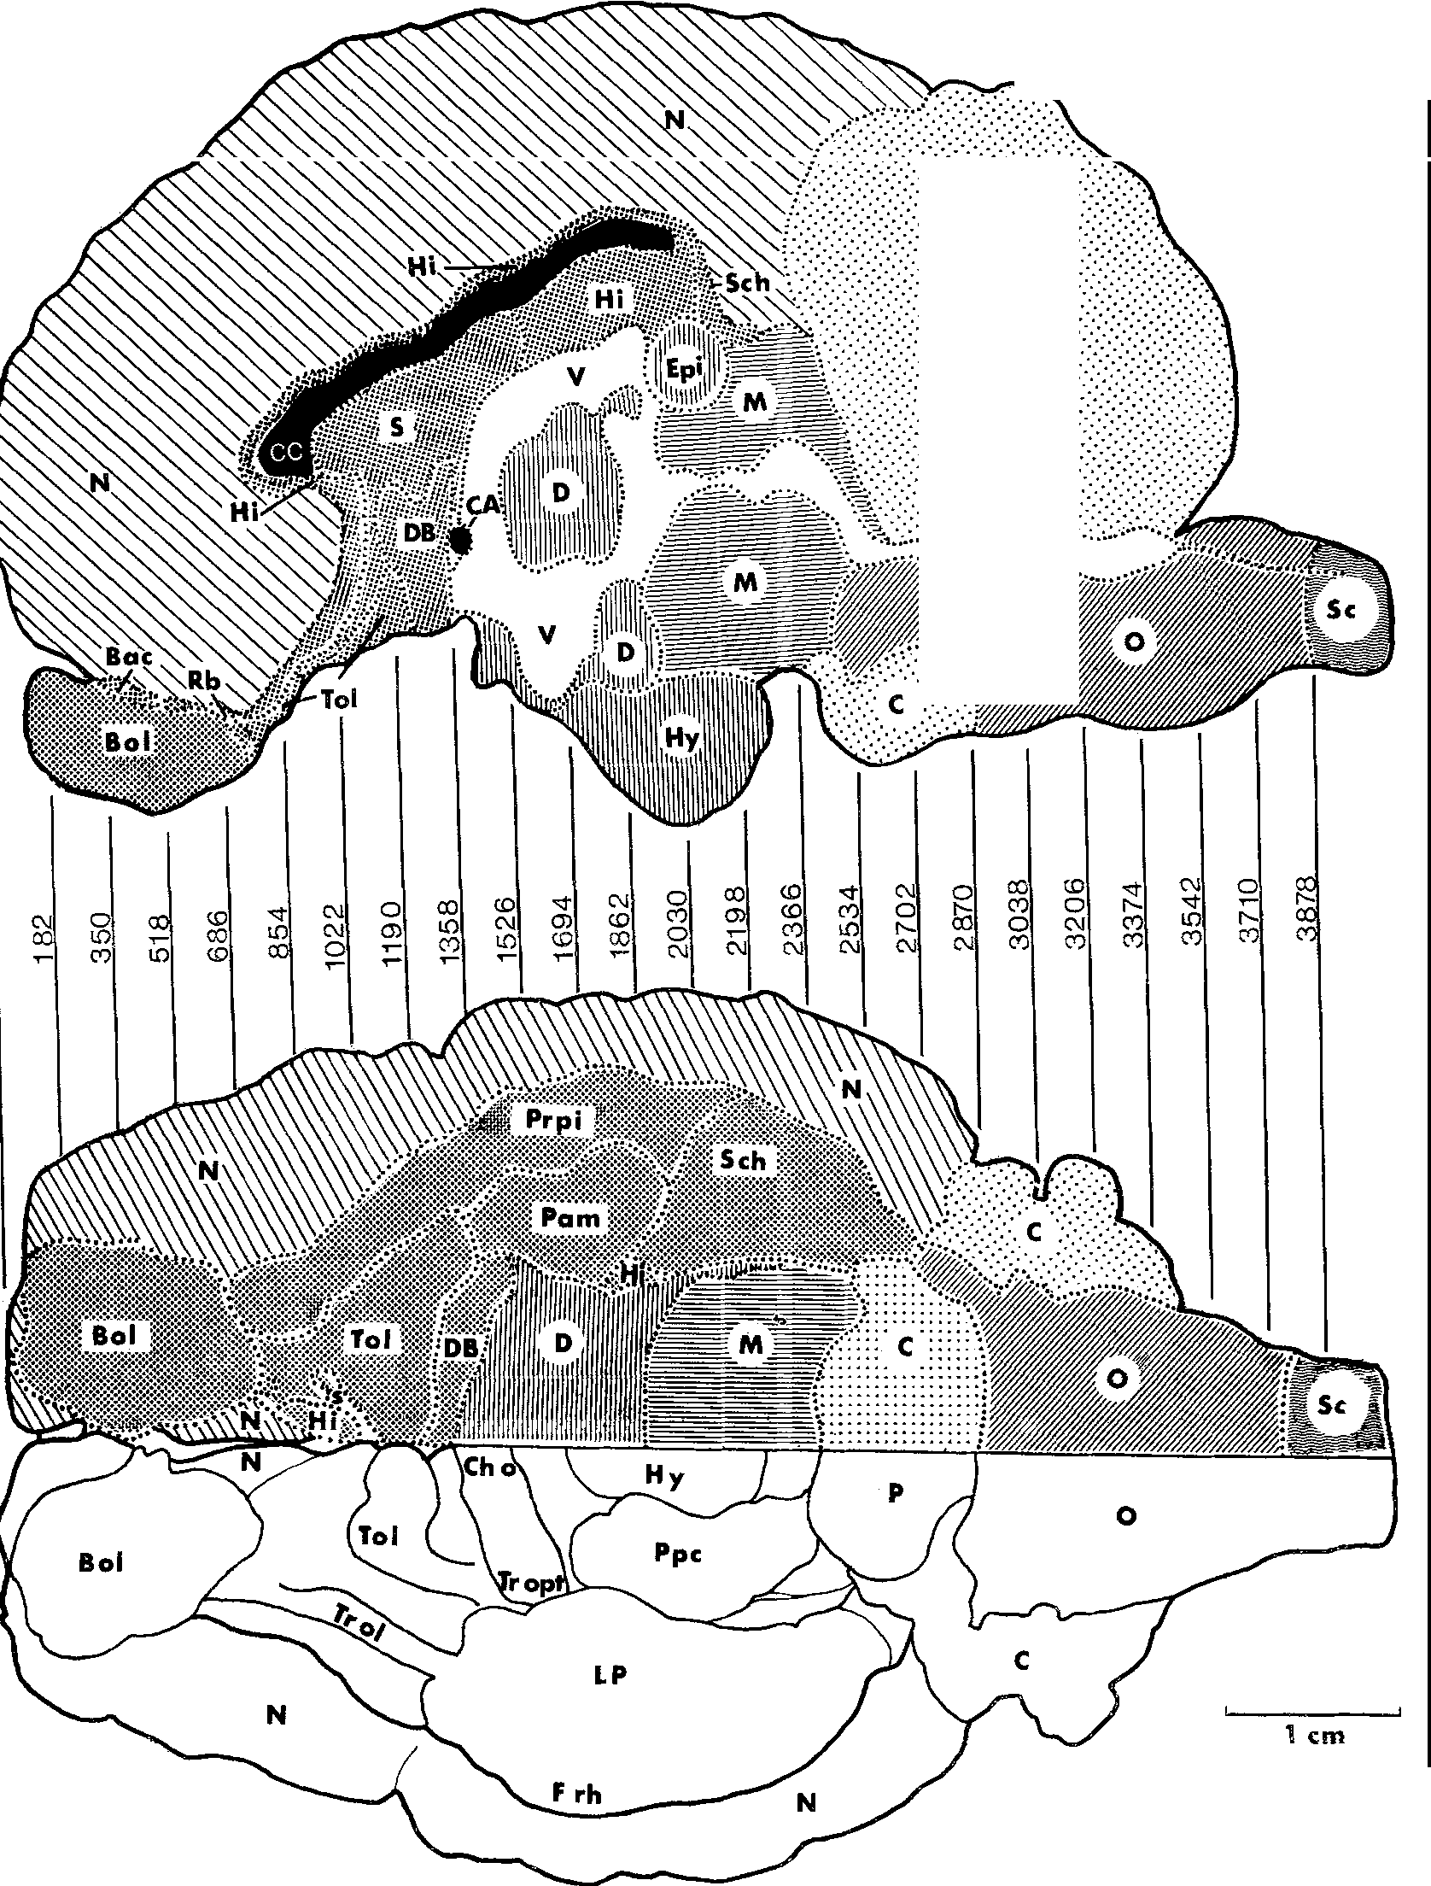

-
_::_:_-_:.-\:_::•.:

::.·.·:-:.,-.·:..
M2
.Fig. "o'. Reconstruocftipohnostogt rhaep hmededsiearniaalnsdecvtieonntsra. lF.voire:bbofretvheiatbiro. anms soefeapw. 2il73d sheep by means
brain weight (g) ;o = 0.30
160
140

120
100
80
20000 30000 40000 50000 60000 70000 gross body weight (g) Fig. 6. Relations between brain weight and gross body weight of North German Moorland Sheep (Heidschnucke) and Blackhead Sheep (Schwarzkopf) in a double logarithmic scale. o North German Moorland Sheep; □ Blackhead Sheep
For the relation brain to body weight the angles of inclination of the determined allometric line for North German Moorland Sheep and Blackhead Sheep are shown in Table 2. Fig. 6 illustrates the grouping of the pairs of values in a double logarithmic scale. The inclination angles of both lines do not differ significantly from each other so that we may determine a common allometric exponent for both. It equals a =0.2955 (Table 2). The main axes of the ellipses have been proved to differ in their position from each other (P = 0.01). Hence the following allometric equations are valid:
2.0294 = 0.6804-0.2955 ·4.4966 2.0697 =0.6461-0.2955·4.7453 |  |  |  |  |  |  |  |  |  |  |  |  |  |  |  |  |  |  |  |  |  | (North German Moorland Sheep) (Blackhead Sheep)
Animals of both breeds with the same body weight differ in their brain weight; the brain weight (and volume) of the Blackhead Sheep is by 7.6% smaller than that of the North German Moorland Sheep. A volumetric comparison shows that all brain parts listed in Table 11 have lower values in Blackhead Sheep than in North German Moorland Sheep. The volume difference are not equally dimensioned. They vary between 3.8% in the neocortex and 19.5% in the corpus striatum. The following percentage differences of the five brain subdivisions of North German Moorland Sheep to Blackhead Sheep could be determined: Telencephalon 5.5% , diencephalon 11.3% , mesencephalon 18.2 % , cerebellum 5.1% , medulla oblongata 12.0%. A significant relation between these data and the reduction value found in the comparison of wild sheep to domestic sheep cannot be recognized. If the large variability coefficients of the absolute volumes of the brain subdivisions in
Table 11. Geometric mean values (GM), geometric variability coefficients (GVC), relative values (RV) and differences in percentage of brain subdivisions comparing North German Moorland Sheep (Heidschnucke) to Blackhead Sheep (Schwarzkopf) Heidschnucke (n = 3) Schwarzkopf (n = 3) Reductions
 |  |  |  |  | GM |  |  |  |  |  |  |  | GVC |  |  |  | RV |  |  |  |  |  | GM |  |  |  |  |  |  | GVC |  |  |  |  |  | RV (;a=0.30)
Body weight |  |  |  |  | 29920 |  |  |  |  |  |  |  | 22.8 |  |  |  |  |  |  |  |  |  | 53572 |  |  |  |  |  |  | 23.1
Brain weight |  |  |  |  | 103.8 |  |  |  |  |  |  |  | 4.9 |  |  |  |  |  |  |  |  |  | 119.6 |  |  |  |  |  |  | 4.8 |  |  |  |  |  |  |  |  |  |  | 7.60
Total brain volume |  |  |  |  | 100253 |  |  |  |  |  |  |  | 4.9 |  |  |  |  |  |  |  |  |  | 115394 |  |  |  |  |  |  | 4.8 |  |  |  |  |  |  |  |  |  |  | 7.60
Pure brain volume |  |  |  |  | 95310 |  |  |  |  |  |  |  | 5.7 |  |  |  |  |  |  |  |  |  | 108875 |  |  |  |  |  |  | 4.1 |  |  |  |  |  |  |  |  |  |  | 8.30
Medulla oblongata |  |  |  |  | 5561 |  |  |  |  |  |  |  | 6.6 |  |  |  | 5.8346 |  |  |  |  |  | 6049 |  |  |  |  |  |  | 13.5 |  |  |  |  |  | 5.5559 |  |  |  |  | 12.01
Cerebellum |  |  |  |  | 11365 |  |  |  |  |  |  |  | 2.9 |  |  |  | 11.9242 |  |  |  |  |  | 13337 |  |  |  |  |  |  | 3.1 |  |  |  |  |  | 12.2498 |  |  |  |  | 5.08
Mesencephalon |  |  |  |  | 5000 |  |  |  |  |  |  |  | 10.2 |  |  |  | 5.2460 |  |  |  |  |  | 5059 |  |  |  |  |  |  | 6.3 |  |  |  |  |  | 4.6466 |  |  |  |  | 18.16
Diencephalon |  |  |  |  | 7414 |  |  |  |  |  |  |  | 11.5 |  |  |  | 7.7788 |  |  |  |  |  | 7488 |  |  |  |  |  |  | 2.8 |  |  |  |  |  | 6.8776 |  |  |  |  | 18.30
Telencephalon |  |  |  |  | 65918 |  |  |  |  |  |  |  | 6.7 |  |  |  | 69.1617 |  |  |  |  |  | 77041 |  |  |  |  |  |  | 4.7 |  |  |  |  |  | 70.7610 |  |  |  |  | 5.46
Neocortex |  |  |  |  | 53721 |  |  |  |  |  |  |  | 6.5 |  |  |  | 56.3645 |  |  |  |  |  | 63904 |  |  |  |  |  |  | 5.1 |  |  |  |  |  | 58.6948 |  |  |  |  | 3.78
Corpus striatum |  |  |  |  | 3703 |  |  |  |  |  |  |  | 22.7 |  |  |  | 3.8852 |  |  |  |  |  | 3687 |  |  |  |  |  |  | 4.9 |  |  |  |  |  | 3.3865 |  |  |  |  | 19.46
Allocortex |  |  |  |  | 8422 |  |  |  |  |  |  |  | 13.3 |  |  |  | 8.8364 |  |  |  |  |  | 9445 |  |  |  |  |  |  | 3.9 |  |  |  |  |  | 8.6751 |  |  |  |  | 9.29
Olfactory Allocortex |  |  |  |  | 4088 |  |  |  |  |  |  |  | 10.3 |  |  |  | 4.2892 |  |  |  |  |  | 4588 |  |  |  |  |  |  | 6.8 |  |  |  |  |  | 4.2140 |  |  |  |  | 9.22
Limbic Structures |  |  |  |  | 4333 |  |  |  |  |  |  |  | 16.3 |  |  |  | 4.5462 |  |  |  |  |  | 4855 |  |  |  |  |  |  | 2.1 |  |  |  |  |  | 4.4592 |  |  |  |  | 9.37

domestic sheep in general (Table 7) and those of the North German Moorland Sheep in particular (Table 11) are taken into account, the size differences of the brain subdivisions of Blackhead Sheep compared to North German Moorland Sheep may possibly be attributed to the large dispersion rate of the volumes. A particularly high variability of organ sizes in domestic animals has been observed by several authors (see Herre and Rohrs, 1971, 1973, and other authors). This is why it seems adequate to approve of the calculated differences of brain volume and of the volume of brain subdivisions-independent from body weight-between North German Moorland Sheep and Blackhead Sheep only with a reservation to the variability. On the whole this result may only provide an indica­ tion to possible differences of brain size in different domestic breeds of the same species. Up to now there is no clear evidence of diverging brain reduction due to different keeping conditions of domestic animals (cf. Gaudlitz, 1971). In spite of this in future brain investigations on wild and domestic animals the breed of the domestic animal should be stated in order to get informations on possible characteristics of brain structure found in a particular breed (cf. Schleifenbaum, 1973).
D. Discussion The process of domestication is of high interest to the Zoologist, as it has to be considered as the greatest experiment which man carried out with animals (Herre and Rohrs, 1971, 1973). For many generations animals of various wild species have been submitted to conditions which changed their natural way of life to a great extent. By isolating small groups of wild populations-sexually separated from the
wild species-, animals which were considered suitable for certain purposes were bred to form large herds. During this time the social structure, the natural condi­ tions of reproduction, the natural selection pressure, alimentation and environ­ ment of the animals were changed considerably. Under these special conditions of domestication there developed great changes in appearance, organ structure and function, as well as in behaviour of the domestic animals as compared to those of the wild species. One object of the domestic animals biology is the quantitative determination of such changes which are caused by domestication. Particularly interesting are the changes in the brain. By means of allometric analyses biologists have been able to prove that domestic animals show-in some cases considerable-reduc­ tions of the brain compared to that of their wild species (Herre and Rohrs, 1971, 1973). According to present opinions the extent of the brain reductions is determined by several factors. 1. Evolution, and closely connected with it the cerebralization of the animals under domestication possibly influence the "species-typical" reaction to the changed conditions of life. Thus in the list on page it is obvious that the rodents and lagomorphs whose brains are on a low evolutionary level within the mammals, do not show any or only low brain reductions during domestication. In contrast to this the more highly evolved brains of the ungulates and carnivores are much moe reduced in the domestic state. Within these groups, however, there exist considerable differences in artiodactyla (llama, alpaca), perissodactyla (horse, ass), and carnivores (cat) compared to the "normally high" reduction values expected. In a comparison of the total brain reductions determined so far for artiodactyl

may provide indications on the possible functions of certain areas. The publica­ tions of Stephan (1960b, 1961, 1966, 1967) and Stephan and Andy (1970) show, for example, that in the phylogenetic development of basal insectivores to higher primates the olfactory centres are reduced to a great extent whereas the limbic parts of the telencephalon do not decrease but increase. Hence the limbic struc­ tures do not participate substantially in the olfactory function of the brain of these animals. Another example taken from the comparative neuro-anatomy is intended as well to illustrate the relation between size and function of a structure. In aquatic animals the olfactory centres are, as a rule, reduced; the limbic areas, on the contrary, are well developed (Filimonoff, 1965). According to these findings a close functional relation between the olfactory and limbic system has to be denied. The reductions of the allocortex therefore indicate considerable reductions of some activities controlled by the central nervous system in domestic sheep comp­ pared to wild sheep. In addition to this the different rates of reduction in different areas show that thefunctional changes have not influenced the brain structures in a uniform way. The quantitative data in olfactory allocortex seem to indicate a reduction of the sense of smell. For the wild sheep the olfacotry sense is-next to theoptic system-of considerable importance for the general orientation, recogni­ tion of the enemy, food search and selection. In addition this sense plays an important role in social life (recognition and sexual behaviour) (Tiircke and Schmincke, 1965; Altmann, 1970; Geist, 1971). - For domestic sheep the environmental conditions and the social conditions have changed considerably compared to the natural life conditions of the wild s

the endogenous inproduction of stimulation of some instinct movements is subject to quantitative changes which are due to domestication. Reductions of warning behaviour and flight and defense acts have also to be regarded within this context. The "warning whistle" characteristic for mufflons has been lost in domestic sheep. There exist, however, hypertrophic behaviour patterns in domestic animals, compared to that of their wild species. In this respect one should mention particularly some aspect of reproductive behaviour. Sexual activity in domestic animals is often increased. The animals are earlier sexually mature and the sequence of estrus cycles is increased, so that the reproduction rate goes up (Herre and Rohrs, 1971, 1973). If within the limbic system there are structures which might be correlated with sexual behaviour these differ possibly from the large reduction of the total system. In this respect the low reduction of the septum are of interest. In fact, some authors have discussed-among other relations-close relations of the septum to the reproductive system (Harterius after Andy and Stephan, 1964). Kruska and Stephan (1973) determined for the septum of pigs the smallest values, too, within the non-olfactory allocortex. 3. It is conceivable that diverging methods of captivity and breeding aims (e.g. animals kept for meat or wool production, pets, working animals and those kept for other reasons) influence the central nervous system in a highly differ­ entiated way. Taking two breeds of domestic sheep as an example there could be shown a small but significant difference in the size of the total brain. The investiga­ tions of the brain subdivisions taken separately resulted in small differences of the brain subdivision volumes in Blackhead Sheep compared to that of German Moorland Sheep, too. Because of the considerabl

References Altmann, D.: Ethologische Studien an 1\fofflons, Ovis ammon musimon (Pallas). Zoo!. Garte11 39, 297-303 (1970) Andy, 0. I., Stephan, H.: The septum of the cat. Springfield: Ch. C. Thomas 1964 Ariens Kappers, C. U.: The phylogenesis of the palaeocortex and archicortex compared with the evolution of the visual neocortex. Arch. Neurol. Psychiat. 4, 161-173 (1909) Ariens Kappers, C. U.: The evolution of the nervous system. Haarlem: E. F. Bohn 1929 Bachmann, R.: Die Nebenniere. In: Handbuch der mikroskopischen Anatomie des Menschen, Bd. VI/5. Berlin-Gottingen-Heidelberg: Springer 1954 Biihrens, D.: Zur Methodik allometrischer Untersuchungen nach Studien an .l\fosteliden. Zoo!. Anz. 162, 30-37 (1958) Bargmann, W.: Histologie und mikroskopische Anatomie des Menschen. Stuttgart: Thieme 1967 Bohlken, H.: Haustiere und zoologische Systematik. Z. Tierz. u. Ziichtungsbiol. 76, 107-113 (1961) Brauer, K., Schober, W.: Katalog der Siiugetiergehirne. Jena: Fischer 1970 Brodmann, K.: Vergleichende Lokalisation der GroBhirnrinde. Leipzig: J. A. Barth 1909 Choinowski, H.: Vergleichende Messungen an Gehirnen von Wild- und Hauskaninchen. Zoo!. Anz. 161, 259-271 (1958) Covian, M. R.: Studies on the neurovegetative and behavioral functions of the brain septual area. Progr. in Brain Res. 27, 189-217 (1967) Darwin, Ch.: The variation of animals and plants under domestication. London: J. Murray 1868 Diepen, R.: Der Hypothalamus. In: Handbuch der mikroskopischen Anatomie des Menschen, Bd. IV/7. Berlin-Gottingen-Heidelberg: Springer 1962 Dubois, E.: Uber die Abhiingigkeit des Hirngewichts von der KorpergroBe bei den Siiugetieren. Arch. Antrop. 25, 1-28 (1897) Ebinger, P.: Vergleichend-quantitative Untersuchungen an Wild- und Laborratten. Z. Tierz. Ziichtungsbiol. 89, 34-57 (1972) Filimonoff, I. N.: A rational subdivision of the cerebr

Herre, W.: Untersuchungen an Gehirnen von Wild- und Hausschweinen. Verh. dtsch. Zoo!. Ges. 200-211 (1936) Herre, W.: Studien am Skelett des Mittelohrs wilder und domestizierter Formen der Gattung Laina Frisch. Acta anat. (Basel) 19, 271-289 (1953) Herre, W.: Fragen und Ergebnisse der Domestikationsforschung nach Studien am Gehirn. Verh. dtsch. Zoo!. Ges. Erlangen, 144-214 (1955) Herre, W.: Abstammung und Domestikation der Haustiere. Handbuch der Tierziichtung, I. S. 1-58. Hamburg: Parey 1958 · Herre, W.: Neue Erkenntnisse iiber Abstammung und Domestikation von Haustieren. Mathm. Naturw. Unterr. 17, 1-17 (1964) Herre, W.: Uber die Abstammung und Domestikation von Haustieren. Schweiz. Landw. Mh. 44, 190-207 (1966a) Herre, W.: Einige Bemerkungen zur Modifikabilitat, Vererbung und Evolution von Merk­ malen des Vorderhirns bei Saugetieren. In: Hassler, R., Stephan, H., Evolution of the forebrain, p. 162-174. Stuttgart: Thieme 1966b Herre, W., Kesper, K. D.: Zur Verbreitungsgeschichte von Ovis ammon in Europa. Zoo!. Anz. 151, 204-209 (1953) Herre, W., Rohrs, M.: iiber die Formenmannigfaltigkeit des Gehorns der Caprini Simpson. Zoo!. Garten, N.F. 22, 85-110 (1955) Herre, W., Rohrs, M.: Domestikation und Stammesgeschichte. In: Heberer, G., Die Evolution der Organismen, vol. II/2, p. 29-174. Stuttgart: Fischer 1971 Herre, W., Rohrs, M.: Haustiere - zoologisch gesehen. Stuttgart: Fischer 1973 Herre, W., Thiede, U.: Studien an Gehirnen siidamerikanischer Tylopoden. Zoo!. Jb. Abt. Anat. u. Ontog. 82, 155-176 (1965) Herrick, C. J.: The functions of the olfactory parts of the cerebral cortex. Proc. nat. Sci. (Wash.) 11), 7-14 (1933) Johnston, J.B.: Themorphology of the septum, hippocampus, and pallial commissures in reptiles and

Neteler, B.: Studien an der Hirnrinde siidamerikanischer Wildcaniden. Diss. Kiel (1963) Nord, H. J.: Quantitative Untersuchungen an Mus musculus dom. (Rutty, 1772). Zoo!. Anz. 170, 311-335 (1963) Papez, J. W.: A proposed mechanism of emotion. Arch. Neural. Psychiat. 38, 725-743 (1937) Pfeffer, P.: Le mouflon de Corse. Paris: Mammalia 31, 1967 Rawiel, F.: Untersuchungen an Hirnen von Wild- und Hausschweinen. Z. Anat. Entwickl.­ Gesch. 110, 344-370 (1939) Reed, Ch. A.: Osteological evidence for praehistoric domestication in south-western Asia. Z. Tierz. Ziichtungsbiol. 72, 31-38 (1962) Reed, Ch. A.: The pattern of animal domestication in the praehistoric Near East. In: Ucko, P. J., Dimbleby, G. W.: The domestication and exploitation of plants and animals, p. 361-380 (1969) Rempe, U.: Uber einige statistische Hilfsmittel moderner zoologisch-systematischer Unter­ suchungen. Zoo!. Anz. 169, 93-140 (1962) Rempe, U.: Morphometrische Untersuchungen an Iltisschadeln zur Klarung der Verwandt­ schaft von Steppeniltis, Waldiltis und Frettchen. Analyse eines ,,Grenzfalles" zwischen Unterart und Art. Z. wiss. Zoo!. 180, 185-365 (1970) Rohrs, M.: Zur Kenntnis von Ovis ammon anatolica (Valenciennes 1856). Zoo!. Anz. 154, 8-16 (1955) Rohrs, M.: Neue Ergebnisse und Probleme der Allometrieforschung. Z. wiss. Zoo!. 162, 1-95 (1959) Rohrs, M.: Allometrieforschung und biologische Formanalyse. Z. Morph. Anthrop. ol, 281-321 (1961) Rohrs, M., Kruska, D.: Der EinfluB der Domestikation auf das Zentralnervensystem und Verhalten von Schweinen. Dtsch. tierarztl. Wschr. 76, 514-518 (1969) Rohn, F.: Quantitative Untersuchungen an Haus- und Labormausen. Examensarbeit, Hannover (1971) Rose, M.: Uber das histogenetische Prinzip der Einteilung der GroBhirnrinde. J. Psycho!. Neural. 32, 97-160 (1926)

Stephan, H.: Methodische Studien iiber den quantitativen Vergleich architektonischer Struk­ tureinheiten des Gehirns. Z. wiss. Zoo!. 164, 143-172 (1960a) Stephan, H.: Die quantitative Zusammensetzung der Oberflachen des Allocortex bei Insekti­ voren und Primaten. Proc. 2. Intern. meet. Neurobiol. Amsterdam, 51-58 (4960b) Stephan, H.: Vergleichend-anatomische Untersuchungen an Insektivorengehirnen. Acta anat. (Basel) 44, 12-59 (1961) Stephan, H.: Die kortikalen Anteile des limbischen Systems. Nervenarzt 35, 396-401 (1964) Stephan, H.: GriiBenveranderungen im olfaktorischen und limbischen System wahrend der phylogenetischen Entwicklung der Primaten. In: Hassler, R., Stephan, H., Evolution of the forebrain, S. 377-388. Stuttgart: Thieme 1966 Stephan, H.: Quantitative Vergleiche zur phylogenetischen Entwicklung des Gehirns der Primaten mit Hilfe von Progressionsindices. Mitt. Max-Planck-Ges. 2, 63-86 (1967) Stephan, H., Andy, 0. J.: The septum. J. Hirnforsch. 5, 229-244 (1962) Stephan, H., Andy, 0. J.: The allocortex in primates. In: Noback, Ch. R., Montagna, W., Advances in primatology, vol. 1, p. 109-135. New York: Appelton-Century-Crofts 1970 Stephan, H., Bauchot, R.: Hirn-Kiirpergewichtsbeziehungen bei den Halbaffen, Acta zoo!. 46, 209-231 (1965) Stockhaus, K.: Metrische Untersuchungen an Schadeln von W6lfen und Hunden. Z. zoo!. Syst. Evol.-Forsch. 3, 157-258 (1965) Sugita, N.: Comparative studies on the growth of the cerebral cortex. III. On the size and shape of the cerebrum in the norway rat and a comparison of these with corresponding characters in albino rat. J. comp. Neurol. 29, 1-9 (1918) Szteyn, St.: Die Struktur und Topograhie der Basalkerne der Hemispharen des Endhirns der Hauswiederkauer. I. Die Struktur und Topographie des Claustrum und des Nucleus amygdalae. Anat. Anz. 117, 291-313 (1965) Szteyn, St.: II.

Dr. P. Ebinger Institut fiir Zoologie Tierarztliche Hochschule 3 Hannover, Bischofsholer Damm 15 Federal Republic of Germany

